Introduction
Introduction and Purpose
The William Davidson Institute's Rapid Supply Chain Modeling Tool is a quantitative model designed to help quickly estimate high-level supply chain operating costs & basic performance statistics without the need for a detailed costing study or data collection. The tool employs three basic mechanisms to rapidly model a given supply chain design: 1. A model design that allows the user to select different standardized supply chain structures and policies, tailoring the chosen structures to match their country’s specific context (e.g. number of facilities, geographic area, overall demand level) 2. Proxy data from prior health supply chain costing studies, which the user can employ selectively to fill any data gaps that may exist for harder-to-measure parameters (e.g. average storeroom capacity, management and supervision costs) 3. Easily-adjustable supply chain parameters that facilitate the creation of different design scenarios Through these mechanisms the Rapid Supply Chain Modeling Tool helps decision-makers quickly understand the high-level impact of specific design decisions, such as changing delivery frequency, increasing demand volume, or skipping a supply chain tier, all without requiring a time-intensive costing analysis.

Intended Audience & Users
This tool is intended to provide decisionmaking support to health program leaders who are responsible for overseeing the design and strategy of a health commodities supply chain. This could include -- Ministry of Health senior leadership -- Ministry of Health technical managers (e.g. a logistics management unit) -- Technical leads at a donor/partner organization that directly manages an in-country health supply chain -- Technical leads at a partner organization that provides supply chain technical assistance to governments or other partners We envision two primary mechanisms for engaging the above audiences using this tool: 1) Direct use of the tool by the decisionmaker, which may be more likely for an experienced and/or technically oriented user (e.g. logistics officer) 2) Indirect use as part of a facilitated workshop session. In this case, a person familiar with the tool may faciliate a discussion among a broader audience to identify design options/inputs and discuss the meaning of tool outputs. This may be the ideal approach for involving non-supply chain-focused decisionmakers, or for introducing the tool to a new audience. Skills needed by direct users of the tool include: -- Familiarity with Microsoft Excel and the use of Excel worksheet functions -- Understanding of common supply chain terminology -- Familiarity with the supply chain design process, and understanding of the types of design/policy decisions that are available to influence supply chain cost and performance (e.g. inventory levels, frequency of delivery, number of tiers) -- Knowledge of existing supply chain cost and operational data sources -- Ability to communicate supply chain concepts and policy decisions to non-technical audience members in a workshop setting All users, direct and indirect, should possess a basic understanding of the role of supply chains in achieving health system outcomes, knowledge of

Scope - Types of Analyses and Research Questions
WDI's Cost Scenario Modeling Tool is designed to estimate the operating cost and basic performance statistics of a supply chain whose overall scope and design are specified by the user. These scope and design parameters can quickly be changed, enabling the user to create and test multiple supply chain scenarios. In this way the tool can be used to address a number of supply chain design-related research questions, such as -- What are the biggest drivers of cost for the current supply chain, in terms of functional areas (e.g. storage, transportation) and location (central-level, service delivery points)? -- What would be the expected operating cost impact of redesigning supply chain roles and responsibilities, such as switching from a model where clinic staff must travel to collect their resupply orders, to one where those orders are managed and delivered by a mobile warehouse? -- Which of several possible design revisions (e.g. reducing the number of tiers in a supply chain; changing the frequency of order periods; changing type/number/travel patterns of delivery vehicles has the greatest cost impact? -- If we were to outsource a supply chain function (e.g. deliveries to clinics) to a third party logistics provider, how much could we expect that logistics company to charge for their services? -- How much would we expect another country's supply chain to cost when scaled to our own country's size and context? If we have data for our own costs, how do they compare when benchmarked against these other countries?

Overview of Tool Operation & Use
The tool works by asking the user to define the context of their supply chain analysis. The user does this by entering in a variety of data onto the "Input Parameters" worksheet, such as: -- General Country Context information such as geographic area, demand volume or number of facilities -- Specific Cost Inputs including fuel, vehicle or labor unit costs -- Supply Chain Policy & Strategy inputs like safety stock levels, number of tiers, or delivery travel patterns. The model uses these data to generate an estimate of output statistics such as expected operating costs, vehicle utilization, and average inventory levels for a supply chain with those given specifications. We do not expect the user to have data on hand for all input parameters; however, it is important to note that they can directly enter any data they do possess. For the input parameters that may be missing, the user can fill those gaps by selecting from a number of prepopulated data “templates”, each of which contain proxy data collected from a different global health supply chain cost evaluation. We will highlight key demographic information about each of the data templates (e.g. country land area, population size, program areas, supply chain design, etc.), so that the user can easily select the dataset that best fits their own context. In most cases, "proxy data" refers to actual field data collected by various governments, donors, and partner organizations. These data are intended for use in existing global health supply chain costing evaluations. Furthermore, these studies are generally conducted using a facility-level activity-based costing approach—which is often considered to be the gold standard for measuring point-in-time supply chain costs.

Aligning with System Design Process
This tool is designed to support a supply chain system design process, focused specifically on a global public health context. This system design process can be defined as a high-level, data-driven approach to developing a more efficient health supply chain blueprint and a coherent overall strategy for keeping service delivery points reliably stocked with lifesaving health products. The process of identifying, refining, and implementing a more efficient and effective public health supply chain is often broken down into three components, shown in the figure below:
Focus of Rapid SC Modeling Tool
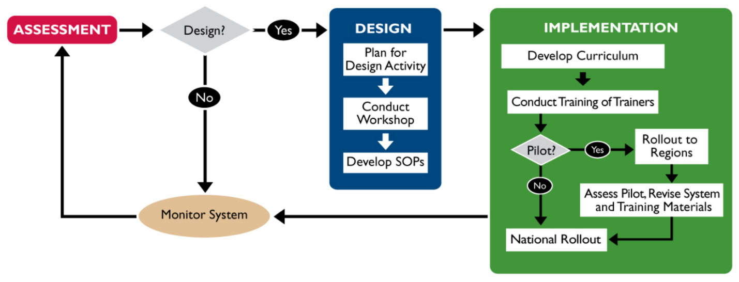 Figure 1: A three-phase logistics system design process from USAID | DELIVER PROJECT, Task Order 1. 2011. The Logistics Handbook: A Practical Guide for the Supply Chain Management of Health Commodities. Arlington, Va.: USAID | DELIVER PROJECT, Task Order 1.

The above supply chain design process covers three broad phases: 1. Complete an assessment and determine the need for design. The assessment phase serves multiple purposes. It allows for an understanding of the current supply chain’s strengths and weaknesses, as well as an understanding of the context in which the supply chain will operate. These issues include Ministry of Health strategy and broader government policies/regulations, number/type of clinics and products covered, and availability of key human, financial, and technological resources. 2. Plan and conduct the system design activity. The traditional recommendation for this step is that it be conducted “in an organized and participatory manner, preferably during a workshop.” This approach traditionally emphasizes the participation of a variety of stakeholders in the workshop setting, including those who will be implementing the system and those providing resources for the system. Some more recent system design process approaches, such as UNICEF’s “Stages of System Design” for immunization supply chains , divide this phase into three sub-activities to 1) introduce key design and analysis concepts, 2) collect/validate needed data and conduct analysis/modeling activities, and 3) identify specific design changes based on assessment and modeling results. 3. Implement the newly-designed system. The final step brings the designed system into a full realized and executed activity. The implementation plan that guides this step of the system will include milestones, roles and responsibilities and address such activities as trainings, whether a design will be piloted before full scale implementation, resources needed and a monitoring and evaluation plan. This tool is designed to integrate into the second phase described above: planning and conducting a system

Limitations of the tool and methodology
The design/methodology behind the Rapid Supply Chain Modeling Tool contains two main limitations that the user should be aware of as they are conducting supply chain design analyses: 1. Speed - Precision Tradeoff: The tool uses a relatively generalized model of a supply chain structure in order to estimate costs and performance statistics. It is also designed to allow the user to easily fill in supply chain data gaps with proxy or analogue data from other countries. Both of these decisions are intentional - they make the tool faster to use than other supply chain design tools, and make it flexible enough to represent a wide range of supply chain designs. However, these advantages come with a tradeoff - the tool is not designed to model a supply chain with as much detail and precision as other, more sophisticated supply chain design software. And extrapolating data to a new context carries an inherent risk of inaccuracy. Thus the user must manage a tradeoff between speed/flexibility and the accuracy/detail. There are several ways we can minimize the impact of this tradeoff: First, we can focus analyses on settings and situations in which speed and flexibility are critical, i.e. when the objective is to quickly get a sense of the most important issues affecting a decision, rather than to obtain a definitive answer to a very specific problem. Such situations might include: -- Evaluating a wide range of initial supply chain design options in order to ultimately pare down and focus on a few high-potential designs for more intensive data analysis. -- Assessing a range of data or knowledge gaps to determine which ones are most likely key drivers of supply chain cost, and, therefore, most valuable to spend time and resources addressing. -- Instances in which detailed, country-specific field data are either unavailable, prohibitively expensive and/or unjustifiably difficult to collect, and in which a more generalized estimation

2. Time variability and individual facility differences: To maintain its flexible Excel-based design requirements, the model assumes that each facility in the network is equivalent to the "average" facility in that tier of the supply chain. For example, if a supply chain with 500 service delivery points has a total annual demand of 1000 cubic meters, the model assumes that each facility has an annual demand of 2 cubic meters. Simliarly, if the average distance between adjacent facilities is 20 kilometers, then the model assumes that each facility is 20 kilometers from its nearest neighboring facility. Furthermore, the model does not incorporate any variability over time, either in customer demand or in the execution of supply chain processes. So if a facility has a total annual demand of 2 cubic meters, and runs on a quarterly ordering system (4 order periods per year), the model assumes that the facility will order 0.5 cubic meters each period. This affects the use of the tool in a couple of ways. First, by not incorporating variability, the tool is not able to capture the implementation quality of a given supply chain design. The ability to execute internal processes consistently and minimize external demand/supply variability are hallmarks of good supply chain management. Supply chains that don't execute consistently must expend extra time and resources trying to predict and react to these inconsistencies, which is costly and difficult. By omitting such variability, the tool's cost and performance estimates can be considered a "best-case scenario" and should be used accordingly in the supply chain design process. The same steps outlined in the paragraphs above are also applicable here, and help to minimize any differences between a supply chain's true costs and the model's "best-case scenarios' estimates. Similarly, omitting individual facility differences in favor of overall averages can minimize some of the factors that make an individual country unique.

Instructions & Workflow
 | Overivew of Tool Workflow
 | Click on the colored box to jump to that section:
0
Identify supply chain design scenarios to analyze (Up to 6 scenarios can be captured in the Scenario Manager sheet)
Give a short name to each scenario, e.g. "Skip District", "Direct Delivery"
Before Using the Workbook
1
Copy/Paste and rename an Input & Output worksheet for each of the scenarios, e.g."Input - Skip District"
Set up the Input & Output worksheets in the Scenario Manager table
Create Input/Output Sheets
2
Identify a proxy data template for missing data, and select the template in Input worksheet
Enter input data in Input worksheet or use Supporting Worksheets to estimate data
Estimate values for some inputs using the Supporting Worksheets
Inputs Worksheet
3
On each Output worksheet, select the "Input" Worksheet name to use for analysis
Check for error messages in"Output" worksheet and ensure valid data inputs
Check that outputs are valid and reasonable
Outputs Worksheet
4
Check results load onto the "Scenario Manager" worksheet
Compare and interpret results across scenarios
Scenario Manager: Compare outputs across scenarios

 | 0. Defining scenarios to Analyze
 | This tool allows users to quickly create and compare different supply chain designs or scenarios. While scenarios can be added or editing at any time during an analysis, it is easiest to do at the beginning. The choice of scenarios are determined by the user, but the most common scenarios fall into one of three categories: 1. Baseline: A representation of the current state supply chain. In almost all cases, this is the first scenario that needs to be filled. 2. Changes to supply chain design or strategy: Changing some aspect the supply chain, such as: -- Level skipping: Eliminating one tier or level from the supply chain product flow, usually a regional or district warehouse. -- Frequency of delivery: Changing shipment frequency at any level, e.g. shifting from a quarterly ordering-delivery cycle to a monthly cycle. -- Integration/decentralization: Changing overall demand, numbers of commodities, and/or number and type of tiers -- Last mile delivery strategy: Changing the way commodities are transported to last mile facilities, e.g. health facilities traveling to collect their own resupply vs. upstream suppliers delivering to the health facilities (e.g. a Direct Delivery , vendor-managed, or "Informed Push" -style approach). This typically involves changes to travel patterns, types of vehicles used, and types of staff involved in ordering/delivery. 3. "What-if" scenarios, or changes to country context: Changing some aspect of the environment in which the supply chain operates, such as: -- Changes to demand for products, e.g. due to population growth, changes in disease incidence, etc -- Changes to cost inputs, e.g. price of fuel, price of labor, price of buildings/equipment/vehicles -- Changes to infrastructure, affecting distance and travel speed between tiers and between facilities

Click here to return to the top of this page

 | 1a. Creating Inputs and Outputs sheets for each scenario
 | 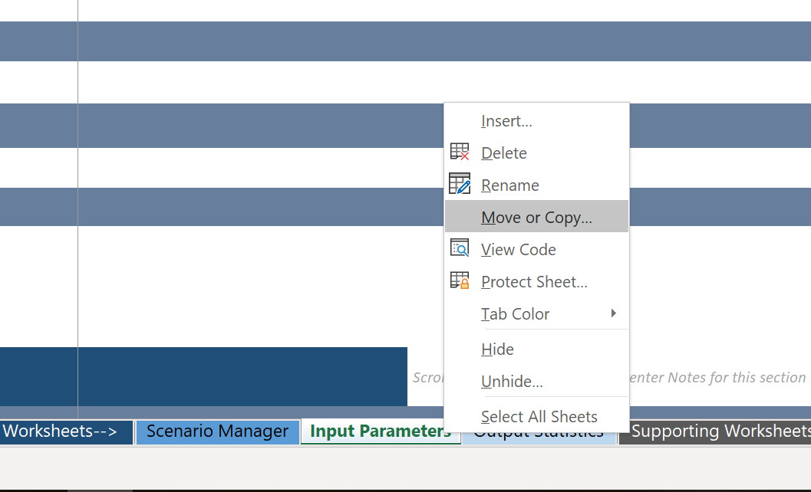 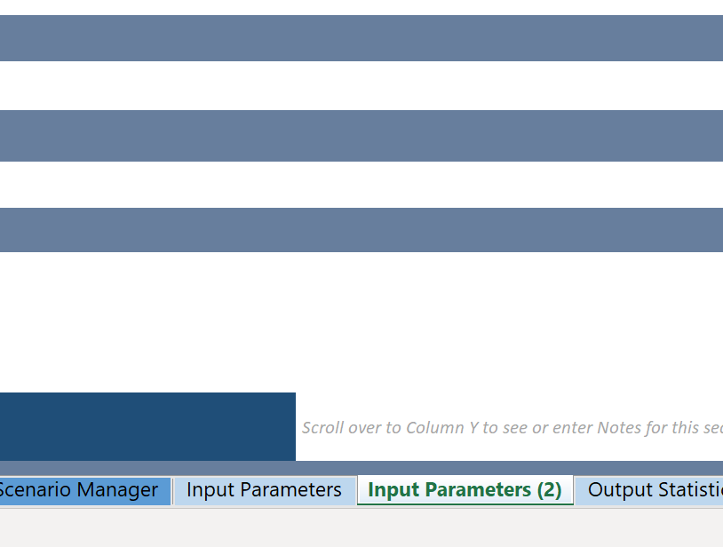 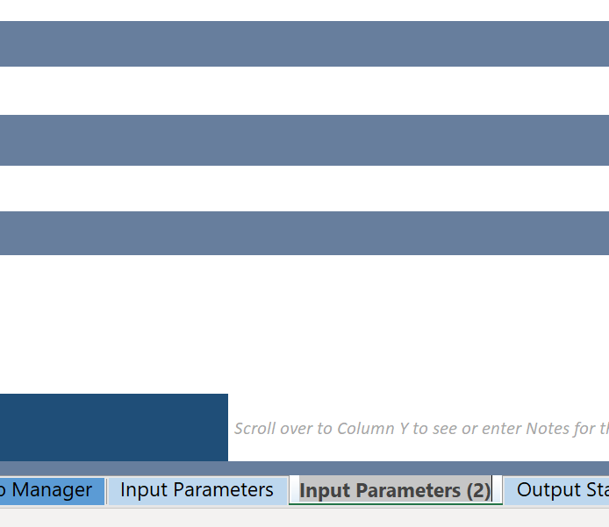 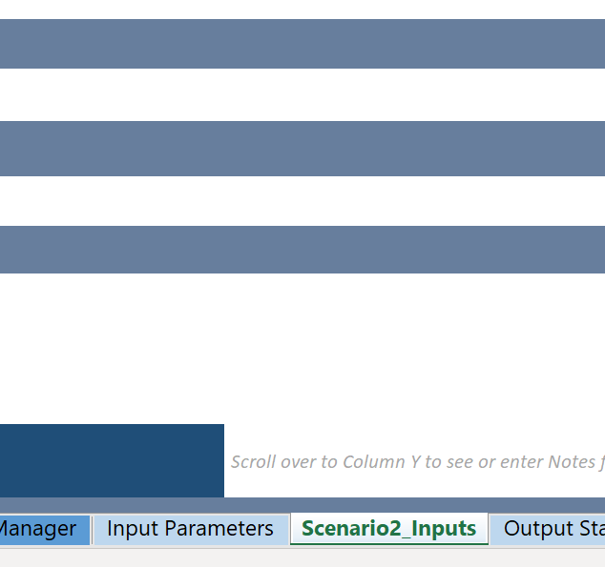 Each scenario defined in the above step will require its own individual Input and Output worksheets. To create these you simply need to COPY and RENAME the Input and Output worksheets already in this file. 1. COPY: (i) Right-click an Input or Output worksheet. Select "Move or Copy". On the resulting dialog box, (ii) Under the "To Book:" heading, make sure this workbook is selected, (iii) In the "Before Sheet:" select the location in this workbook where you'd like the new worksheet to appear, and (iv) Check the "Create a Copy" checkbox and select "OK". A new worksheet should appear on the Worksheets toolbar below. 2. RENAME: (i) Double-click on one of the newly-created worksheets. The text of the worksheet name should now appear with grey highlights. (ii) Delete and type a new worksheet name. Typically these names will define the scenario and whether it is an Input Parameters or Output Statistics sheet. Ideas include something general, like "Scenario1_Inputs" or something more descriptive, like "Monthly Orders_INPUTS". 3. REPEAT: repeat the above two steps until you have one Inputs and one Outputs sheet for each of the scenarios you've defined.

(i)
(iv)
(ii and iii)

(i)
(ii)

Example: Three scenarios, each with an Inputs and Outputs worksheet

 | 1b. Setting up scenarios in Scenario Manager worksheet
 | 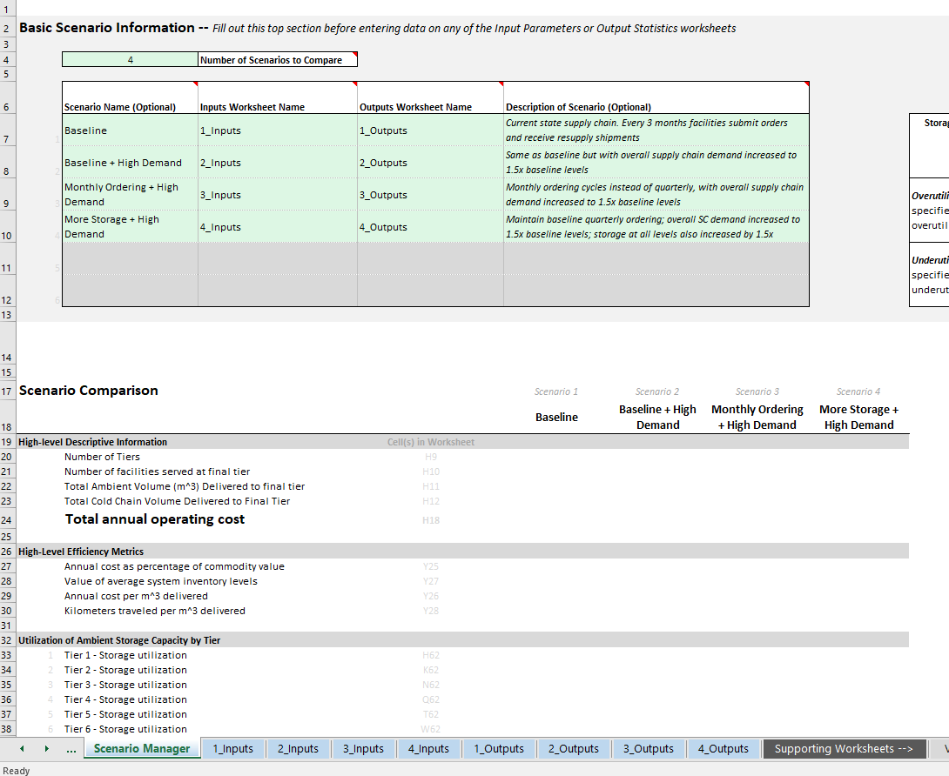 Once the Inputs and Outputs worksheets for each scenario have been created and renamed, the next step is to add the names and descriptions of those worksheets to the Scenario Manager so that their data can be accessed by other worksheets in the tool. Go to the "Scenario Manager" worksheet and find the "Basic Scenario Information" table at the top of the worksheet. Enter: 1. In the first drop-down menu, select the number of scenarios that you plan to analyze (should be an whole number between 1 and 6). That same number of rows should appear in the table immediately below. Complete that table, one row per scenario, by entering: 2. Scenario Name (optional - used only for labeling in the model) 3. Input Worksheet Name for the scenario (the name should match exactly with the name given in 1a and appearing in the Worksheet Toolbar at the bottom of your Excel screen) 4. Output Worksheet Name for the scenario (the name should match exactly with the name given in 1a and appearing in the Worksheet Toolbar at the bottom of your Excel screen) 5. Desription of Scenario (optional - only needed so that other users can quickly understand the nature of each scenario)

1
2
3
4
5
Example: Four scenarios with descriptions, and the names of the Inputs and Outputs worksheets

Click here to return to the top of this page

 | 2a. Selecting data template(s) to use as proxy data source in "Input" worksheet
 | Select a data template that most closely resembles your own supply chain context. This will populate the column 'value used in model' in the "Input" worksheet so it can fill in any data gaps. Select a template using the following steps:

 | 1. Review information about each existing proxy data template, and decide on data template to use
 | 2. Go to the Input Worksheet
 | 3. Select template from list under Section 1. 'General Information'

 |  | Step 3: Select template from list in 'General Information' section

 | 4. Select template for EACH TIER under Section 5. 'Supply Chain System Information'. NOTE: In most cases we expect the user to select the same proxy data template for each tier in Step 4, but there may be cases where it makes sense to select different templates for different parts of the model. The tool should still function normally, though the user should be alert for possible data conflicts (e.g. if supply chain roles or vehicle types mean different things in different places)

 |  |  | Step 4: Select template for EACH TIER under 'Supply Chain System Information'

 | 5. After selecting the data template for each tier, select corresponding TIER under Supply Chain System Information. For example: if the template dataset has three tiers (National -> Regional -> Clinic) but the user's supply chain only has two (National -> Clinic), the user might select "Tier 1" and "Tier 3" for this parameter, corresponding with Tier 1 and Tier 2 of their own supply chain

 |  |  | Step 5: Select which tier to populate from the data template.

 | 2b. Enter data directly into "Input" worksheet
 | Regardless of whether a data template is selected in the section above, the user can always enter their own data directly into the "Input" worksheet. This can be done in any green-colored cell on the Input worksheet using the following steps:

 | 1. Review values from data template and identify which values should be customized. For each value to be changed
 | a. Select the adjacent green cell under the column "Enter your own value if known" NOTE: in Section 5 there may be multiple green cells per row - one corresponding to each tier of the supply chain)
 | b. Enter the value or select from drop-down list. Press the Enter/Return key.
 | c. Verify that the value has been customized by checking the cell immediately to the right of the green cell, under the column "Value used in Model". This value should match with the value in the green cell

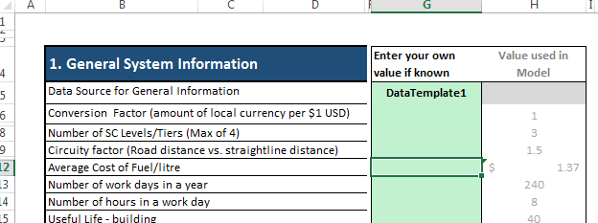

 |  | Step 1a example: Select the green cell adjacent to the value you wish to change, in this case the average cost per liter of fuel



 |  | Step 1b and ac example: Once the user types in a value in the green column and presses "Enter" or "Return" on the keyboard, the 'Value Used in Model' column updates as well. In this case the user has changed the price of fuel in the model from $1.37 per liter to $1.89 per liter

 | 2c. Estimate values for some inputs using the Supporting Worksheets
 | For any input values that are not readily available, the user should consider whether it is worth spending time and effort collecting precise data or make a reasonable guess of that value. The tool provides several "Supporting Worksheets" designed to help users estimate some values: -- Demand volume (m^3) and value (USD) of VACCINES and related materials, based on a user-defined target population's size and desired coverage levels -- Demand volume (m^3) and value (USD) of REPRODUCTIVE HEALTH commodities (contraceptives only), based on country-specific Demographic & Health Survey data -- Demand volume (m^3) for any health commodities, provided some information about the number of units consumed for each commodity -- Ratio of road distance to straightline distance (i.e. circuity factor) using Google Maps and/or limited pre-existing benchmark data -- Storage capacity (m^3) of warehouses and storerooms, based on general room/building dimensions -- Benchmarks for warehouse construction and operating costs (USD) These worksheets are all available under the "Supporting worksheets" section of the Worksheet Toolbar at the bottom of the screen. Each worksheet has instructions for how to use the worksheet. Unless otherwise specified, the data on those worksheets does NOT transfer over to the actual Input worksheets and should be entered manually.

Click here to return to the top of this page

 | 3a. Select the "Input" worksheet name to use for analysis to fill the "Output" worksheet
 | 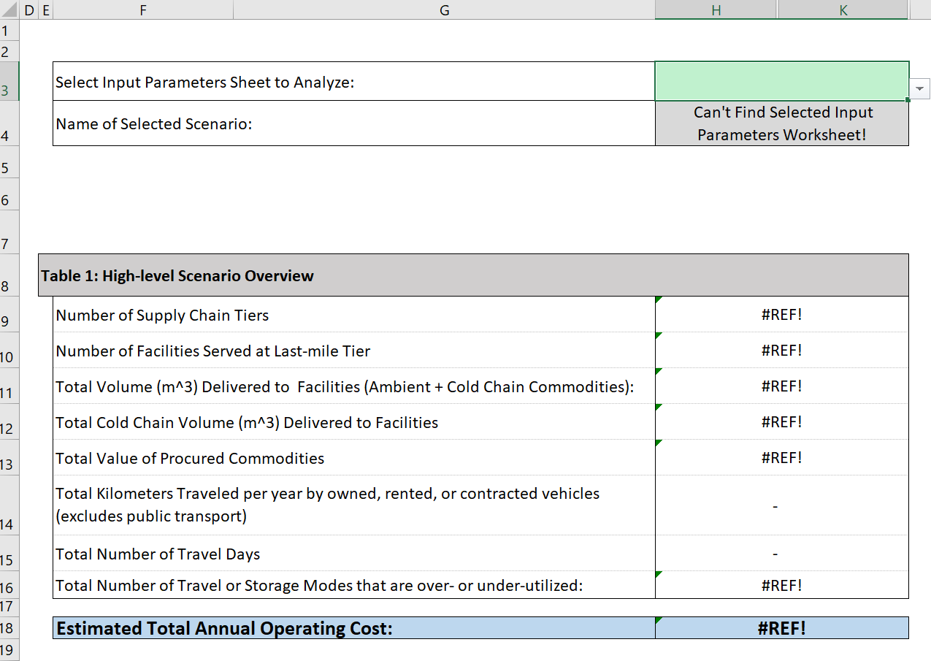 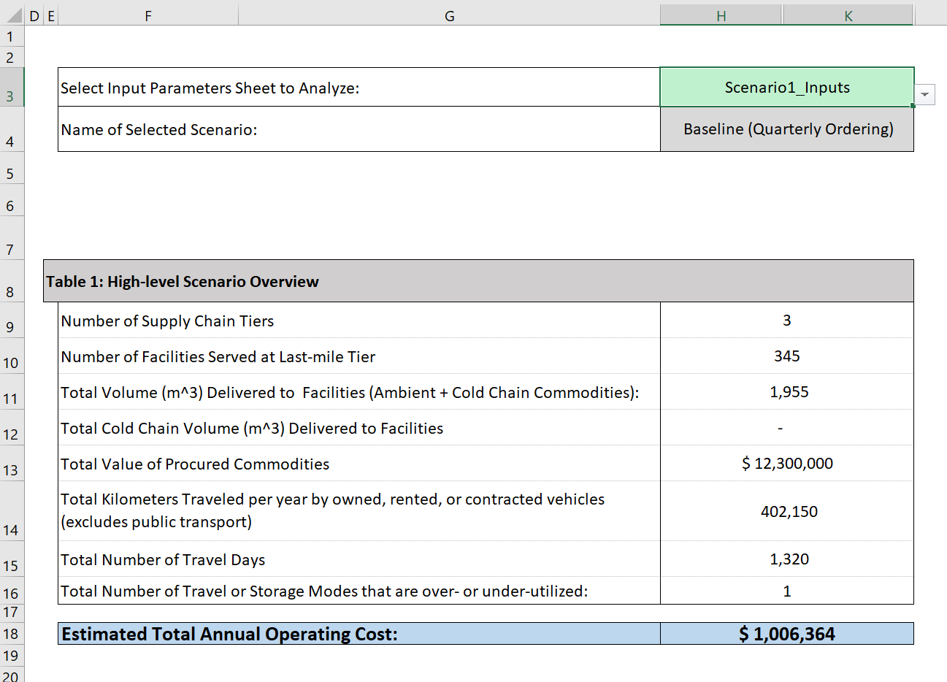 For each scenario, after completing the "Input" worksheet, user must select the "Input" sheet onto the relevant "Output" worksheet using the following steps: 1. Click on the "Output" worksheet that corresponds to your "Input" worksheet (i.e. if you completed "Scenario1_Inputs", click on "Scenario1_Outputs). 2. At the top of the worksheet, click on green drop-down box next to the "Select Input Parameters sheet to analyze:". If you completed Part 1b above, then the name of your Input sheet should appear in the drop-down. Select that name, and the rest of the Output worksheet should load accordingly.

Incorrectly populated Output Statistics worksheet: No valid Input Parameters sheet name causes #REF errors where output numbers should be
Correctly populated Output Statistics worksheet:
Valid Input Parameters sheet name, no #REF errors.

 | 3b. Check for error messages and ensure valid data inputs
 | User must check the "Output" worksheet to ensure that the inputs are correctly entered and consistent. Incorrect or inconsistent inputs can cause the "Output" worksheet to display a #VALUE or #REF error message, or omit certain inconsistently-defined costs/activities. The tool attempts to catch and highlight many common input errors, but user must check for possible error messages.

 | Avoid invalid data entries that will result in an Excel error in the cost/performance calculations. Examples could include:
 | 1. Text values entered in a cell meant for numeric values
 | 2. Entering values outside of a drop-down list
 | 3. Entering values outside of a specified number range
 | 4. Switching to a setting for which there is no data loaded, e.g. selecting the "public transit" vehicle option with a template that has no public transit data (NOTE: We attempt to make data templates as complete as possible, but it is not be possible to fill every value for every template, especially those which the user is likely to have good data, e.g. public transit costs)

 | Avoid conflicting data entries leading to results that do not make sense. Some example of conflicting data inputs could include:
 | 1. Multiple currency types used throughout input values
 | 2. 'Number of Tiers' not aligned with number of tiers of input data
 | 3. Mismatched distribution policies, such as:
 | -- Selecting "Route-based distribution" to a tier with only one facility (does not affect calculations, but may indicate inconsistent user design objectives)
 | -- Selecting "Public Transit" but also entering a unit price for "Rent" or "Contract to 3PL" (Model will ignore Rent/3PL price, but again may indicate inconsistent design approach)
 | -- Selecting "Rented" or "Contracted to 3PL" vehicle ownership option, but leaving the rental/contract price parameter blank (i.e. zero)
 | 4. Incomplete scaling of related input parameters
 | -- Changing total demand volume without changing total commodity value, number/type of delivery vehicles, warehouse storage & throughput capacity, etc.
 | -- Changing number of facilities without revisiting total demand volume
 | -- Changing geographic area or number of facilities without revisiting distance between facilities
 | -- Changing the ownership model of vehicles, e.g. from "Rented" to "Contracted to 3PL", but not changing the unit price parameter accordingly

 | 3c. Check outputs are valid and reasonable

 | Check for consistent and expected outputs: A few common-sense checks to the "Outputs" can confirm that data is valid and aligned with the supply chain system. These checks could include:
 | 1. Do all expected cost lines appear in "Output" worksheet, Tables 4 and 5? For example: most supply chains will have storage costs at every tier and transport costs everywhere except National Tier. Where user-owned vehicles are used, we expect to see costs for depreciation, fuel, maintenance, insurance, and labor; where they are contracted to a 3PL we expect to see contract costs.
 | 2. Are there any unexpected costs in the "Output" worksheet, Tables 4 and 5? For example: if no travel is needed for ordering there should be no costs under 'transportation for ordering' in Table 5. If delivery is contracted to a 3PL, we should not see cost lines for vehicle depreciation, maintenance, fuel, insurance, or labor at that tier.
 | 3. Do changes to inputs result in proportional changes to outputs? For example: we wouldn't expect a 10% increase in demand volume to cause a 250% increase in total cost. Or a reduction in the number of supply chain tiers to cause an increase in total storage costs.
 | 4. Are costs distributed between different tiers and functional categories? Supply chains vary widely in their cost distribution, but in general we expect to see a reasonable balance between different cost functions (e.g. warehousing, transportation) and different tiers. If one of those areas is small relative to the others (e.g. less than 10% of the total), review the "Input" worksheet to ensure that there are no missing or conflicted inputs.
 | 5. Are operational performance statistics within an appropriate range? If vehicle, storage, or throughput utilization numbers are above 80-100%, it indicates that the specified transportation & storage resources are likely insufficient to manage current demand volumes. Or if they are less than ~30-40%, it may indicate that the user has reduced system volume and not adjusted the number or capacity of vehicles accordingly
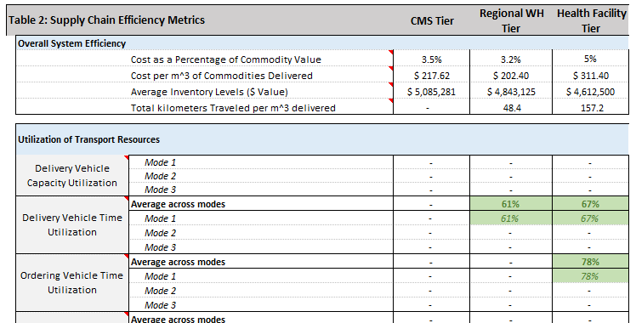

 |  |  | Do overall utilization rates for storage capacity, throughput capacity, and vehicle delivery capacity indicate a good match between supply chain resources and demand?
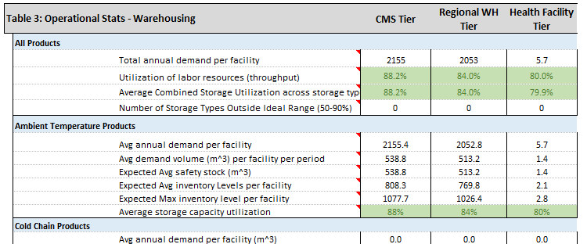

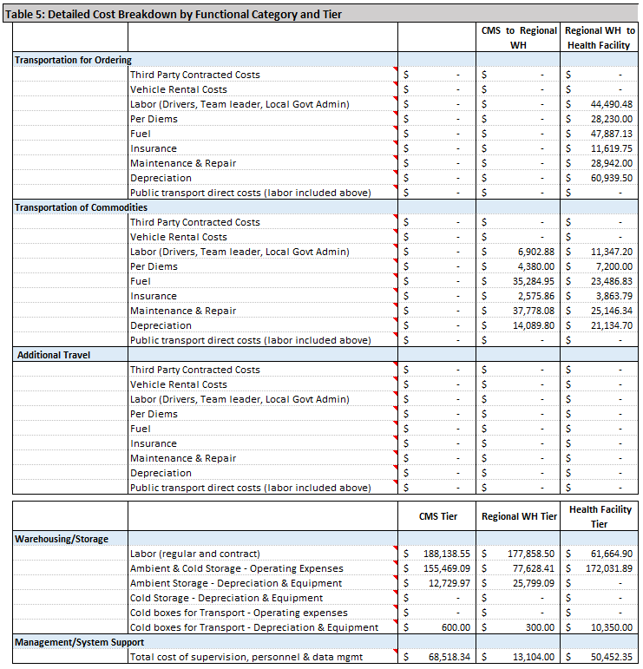

 |  |  | Are there any cost lines that shouldn't be appearing in the outputs? If delivery is contracted to a 3PL, we should not see cost lines for vehicle depreciation, maintenance, fuel, insurance, or labor at that tier.

 |  |  | Are there any expected cost lines that are missing from the outputs? In this example, tier 1 costs are missing

 |  |  | Do overall numbers seem well-balanced between different tiers and functions? Do changes to the input data result in proporional changes to output values?

 | 3d. Check outputs against other cost study results (optional)
 | If a supply chain costing study was done in recent years, it is valuable to compare the results of this tool with those from the prior costing study before conducting any further design analyses. Assuming that the existing data covers the same supply chain and same cost categories, this type of benchmarking can help further validate the Input Parameters that are used in this tool, and highlight any areas where further changes to the inputs are warranted.

 | Comparing Output Statistics - Tool results vs. prior cost study results
 | 1. Overall Operating Costs: Are overall costs modeled in this tool within a reasonable percentage of prior study data (e.g. within 10-15%)? If there is significant discrepancy between the results, is there some obvious explanation for the discrepancy (e.g. a health system emergency that increased costs, or a change in demand or supply chain design)?
 | 2. Detailed Cost Breakdowns by tier and function: For each supply chain tier, and for each major functional area (e.g. Storage, Distribution, Management/supervision), are costs modeled in this tool within a reasonable percentage of prior study data (e.g 10-15%)? If not, is there an obvious explanation for the difference? If not, it may indicate an input parameter in this tool that needs adjustment
 | 3. Operational statistics: In Table 5 of the Output Statistics worksheet, do the number of kilometers traveled and number of days of travel align with similar numbers from actual study data? Do storage and vehicle utilization numbers align with what we know from studies or on-the-ground managers?

 | Possible Input Parameters to investigate if model results differ from actual study data:
 | 1. Circuity Factor / Distance Between Facilities: If kilometers traveled, vehicle utilization, and/or transportation costs are consistently high or low across all tiers, one possibility is that the model is assuming to great or little distance between facilities - either within the same tier or between tiers. Consider revising the circuity factor or distance between facilities (source-destination and destination-destination)
 | 2. Vehicle Capacity: Another possiblity if transportation statistics are higher or lower than expected; particularly if the problem seems confined to tiers/modes with a particular vehicle type. Actual vehicle delivery capcities are often lower than direct measurements might indicate, due to the need to shuffle/arrange/access inventory along the way. Alternatively, if delivery staff are using the vehicle in an unconventional way (e.g. storing inventory in passenger seats or on a roof rack), then effective capacity could be greater than expected
 | 3. Expiry/Wastage rate: Expiry and wasted product drive increases in both storage and delivery costs. If this rate is underestimated, it could lead to lower cost estimates than what is observed in practice
 | 4. Facility Dwell Times: The longer a team spends at a facility conducting ordering and delivery, the fewer facilities they can visit in a single trip. It is easy to underestimate how much time it actually requires in a facility to make introductions and goodbyes, prepare order and delivery forms, count inventory, etc. If delivery trips are time-limited (as opposed to vehicle capacity-limited), then facility dwell time becomes an important driver of overall transportation cost
 | 5. Average Vehicle Speed: This parameter affects how long vehicles are on the road, as well as the number of facilities a vehicle can visit on a single trip. If road conditions are highly variable, it can be easy to under- or overestimate how fast vehicles can actually travel.

Click here to return to the top of this page

 | 4a. Check results load onto the "Scenario Manager" worksheet
 | If worksheet names were entered into the Scenario Manager in Step 1b, then output data should load automatically.
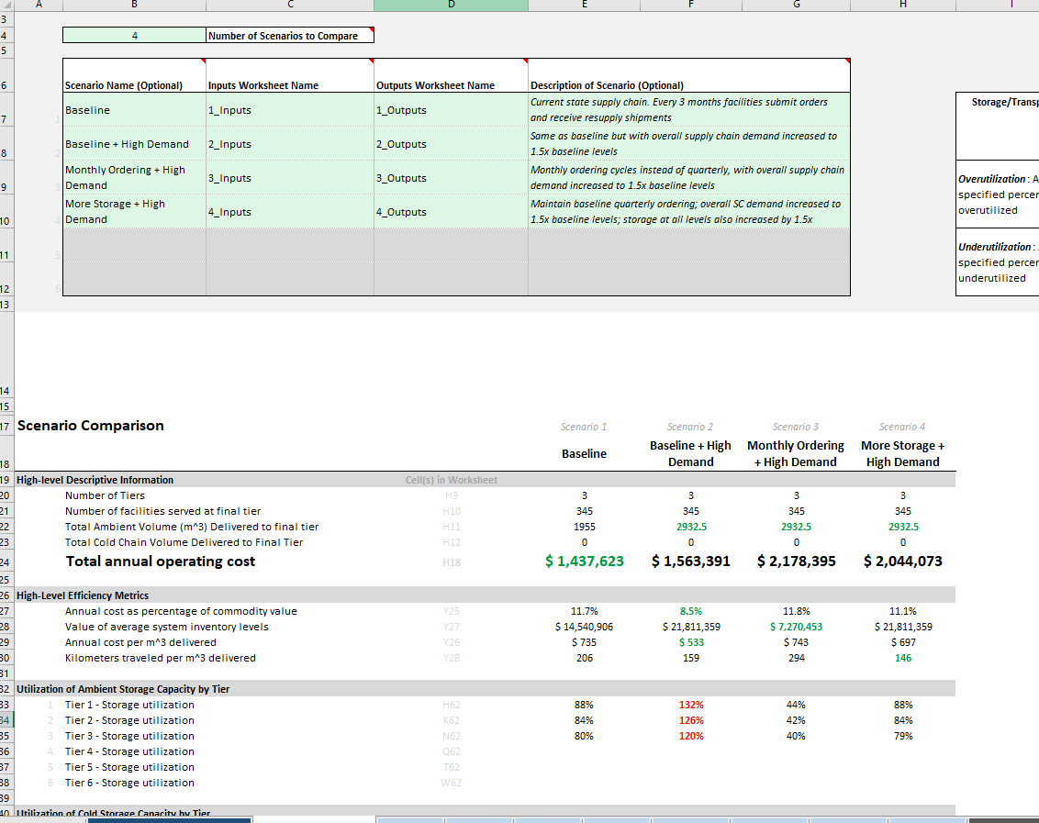
Correctly populated Scenario Manager worksheet: Valid Input & Output sheet names in the top table, and valid output statistics all loading correctly on this page

 | 4b. Compare and interpret results across scenarios
 | Analyze results and compare them across scenarios to answer design questions outlined beforehand. Below are some general analysis questions to prompt thought and discussion:
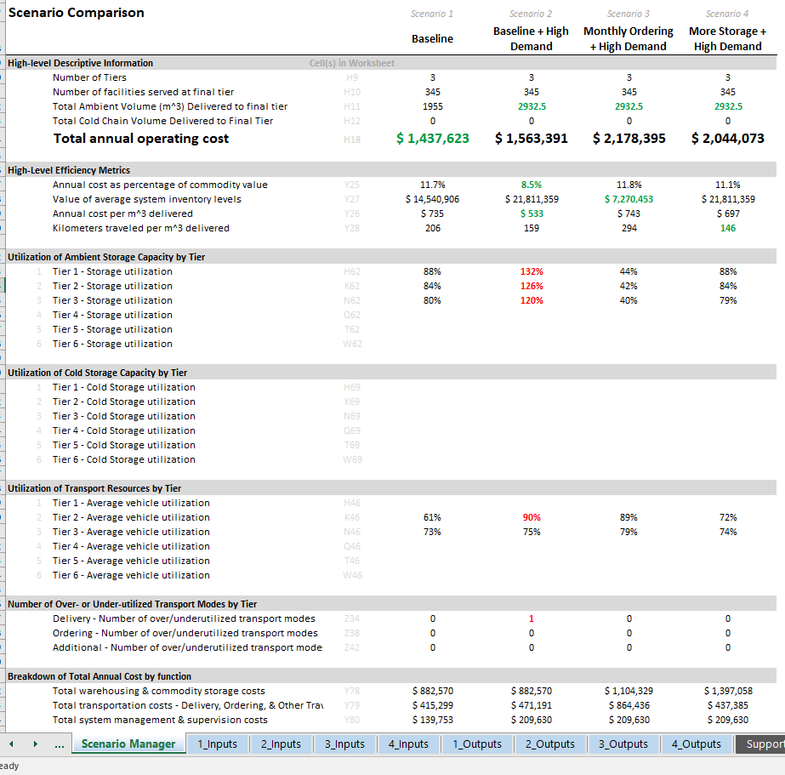
Are any of the scenarios infeasible (e.g. Utilization > 100%)? Scenario 2 has the second-lowest cost, but its storage utilization values are over 100%, which is not possible in real life. Thus it is not a feasible scenario as defined, and its cost estimates are not reliable. Some change to the system would be needed in order to actually implement this scenario. In this case, we detail two such changes in Scenarios 3 & 4, both of which are designed to reduce storage capacity utilization (Scenario 3 increases frequency of delivery, while Scenario 4 adds storage capacity).
Which of the scenarios has the lowest cost? Is it the lowest because of a supply chain design change, or because of a change in the external conditions? In this case, Scenario 1 is lower in cost not because of a supply chain design change, but because it is servicing less demand. Thus it may not actually be the best or most efficient design.
Which of the scenarios is the most efficient? There are several metrics for efficiency; different circumstances may favor one metric over another. Focusing on Scenarios 3 & 4 in this example:
-- Scenario 3 is slightly more expensive on a "per-cubic-meter" basis
-- However, Scenario 3 also requires much less inventory, freeing up
$14+ million that would otherwise be tied up in inventory pipeline
-- Scenario 3 storage utilization is much lower, meaning there is excess
capacity that could be sold or rented out, lowering costs even further
How sensitive are results to changes in the broader environment? Changes such as the price of fuel, labor, or other resources, overall demand, infrastructure changes affecting travel speed/distance
What magnitude of change would be required to implement the design? Generally the smaller the change, the easier to implement
Do all designs have similar expected performance (e.g. availability, quality, sustainability, equity)? Generally, the more complex a design is -- i.e. the more people, more modes of transport, more sophisticated logistics involved -- the more complicated and challenging its management & execution will be. This model only estimates cost and efficiency, and decisions about SC designs must also take into account expected performance

 | 1. When scenarios in the tool have different numbers of tiers: The tool always starts with Tier #1, and a tier cannot be left blank in inputs. For example, if the Baseline system has 4 tiers and the for the Scenario a tier is skipped as shown in the table below:
 | This means that "Tier 3" has a different meaning in the baseline and the scenario, and user should carefully interpret the results.

 | 2. Model always assigns costs based on where the activities occurred. Thus at each tier the model measures costs for 1) storage and management of commodities at that tier, and 2) transportation of commodities into that tier. In some cases (e.g. informing a Ministry budget allocation), identifying who owns the supply chain resources is more important than identifying where they are used. This also may require the user to manually re-assign certain cost lines where there is a discrepancy between ownership and use. Common cases include: -- If last mile delivery is managed by the upstream supplier (e.g. a Direct Delivery or Informed Push), then vehicle ownership, maintenance and fuel costs, and/or labor costs all may need to be shifted upstream by one tier -- If certain functions, e.g. a warehouse or fleet of vehicles, are owned by a partner organization, the costs for those specific functions may need to be extracted and placed in a different budget category than other costs for that same SC function.

Click here to return to the top of this page

Details - Outputs
 | This sheet is intended for reference only and does not accept any user inputs. This worksheet provides in-depth explanations and interpretation notes for each of the cost line items and metrics listed on the "Output Statistics" worksheet, mirroring that worksheet's layout and question order.

 | Select Input Parameters Sheet to Analyze: |  | Input Parameters
 | Name of Selected Scenario: |  | Baseline

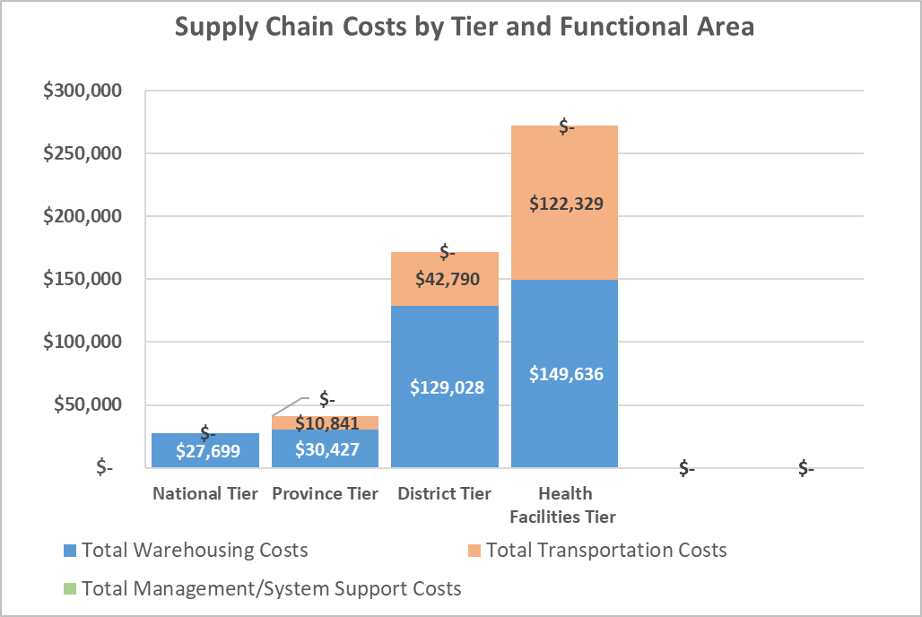

Table 1: High-level Scenario Overview |  |  | Explanation
 | Number of Supply Chain Tiers |  | The total number of levels at which inventory is stored and distributed, as specified by the user
 | Number of Facilities Served at Last-mile Tier |  | User-entered value; number of facilities to which health commodities are delivered at the final tier fo the supply chain
 | Total Volume delivered to final tier (m^3 of ambient and cold chain commodities): |  | Total annual cubic meters (m^3) of health commodities delivered to the final tier of the supply chain (May be less than the total volume procured if the user assumed an expiry/wastage rate at one or more tiers)
 | Total Cold Chain Volume (m^3) Delivered to final tier |  | Total annual cubic meters (m^3) of cold-chain specific commodities delivered to the final tier of the supply chain (May be less than the total volume procured if the user assumed an expiry/wastage rate at one or more tiers)
 | Total Value of Procured Commodities |  | The total procurement or sales value of the commodities delivered to the final tier.
 | Total Kilometers Traveled per year by owned, rented, or contracted vehicles (excludes public transport) |  | The number of kilometers (km) traveled per year to fulfill all ordering, delivery, and additional travel activities, summed over all tiers in the supply chain. Includes only vehicles that are owned/rented/contracted, and does NOT include km traveled by public transport
 | Total Number of Travel Days |  | The total number of person-days of travel needed to complete all ordering/delivery/additional activities, summed over all tiers in the supply chain
 | Total Number of Travel or Storage Modes that are over- or under-utilized: |  | A high-level summary of Tables 2 and 3 below; a count of all storage and transportation modes that are outside the ideal utilization window (user specified, but a common ideal utilization range is between 50% and 90%)

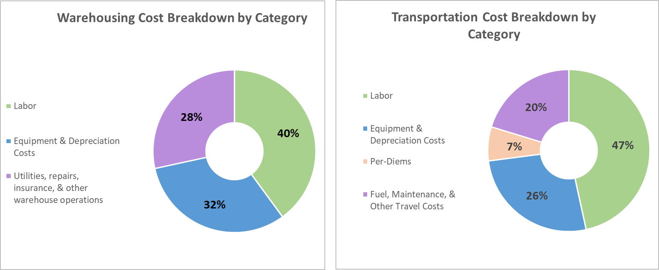
 | Estimated Total Annual Operating Cost: |  | Estimated annual cost to operate the supply chain defined by the user in the "Input Parameters" worksheet. The answer is given in the units of currency specified by the user. Changes to the "Input Parameters" worksheet will update Total Operating Cost (and every other parameter on this page) instantly; there is no need to run a script or macro to update this worksheet

Table 2: Supply Chain Efficiency Metrics |  |  | Explanation
 | Overall System Efficiency
 | Cost as a Percentage of Commodity Value |  | -- Ratio of [Total Operating Cost] / [Total Commodity Throughput Value] x [100] -- Interpretation: In general lower is better, though values vary greatly by health program area (e.g. HIV, Essential Medicines). For example, one box of antiretrovirals (ARVs) will likely have a value much greater than a similar box of antibiotics, even though the supply chain cost to distribute each is likely to be similar. Thus this metric would be lower for the ARVs than the antibiotic, even for similarly-performing supply chains.
 | Cost per Cubic Meter of Commodities Delivered |  | -- Ratio of [Total Operating Cost] / [Total Commodity Throughput Volume] -- Interpretation: General measure of supply chain efficiency. For similar geographies, throughput volumes, and supply chain designs, a lower value represents a more efficient supply chain. No standard benchmarks exist within global health supply chain, though some publicly-available supply chain costing studies could be used to create a rough benchmark value
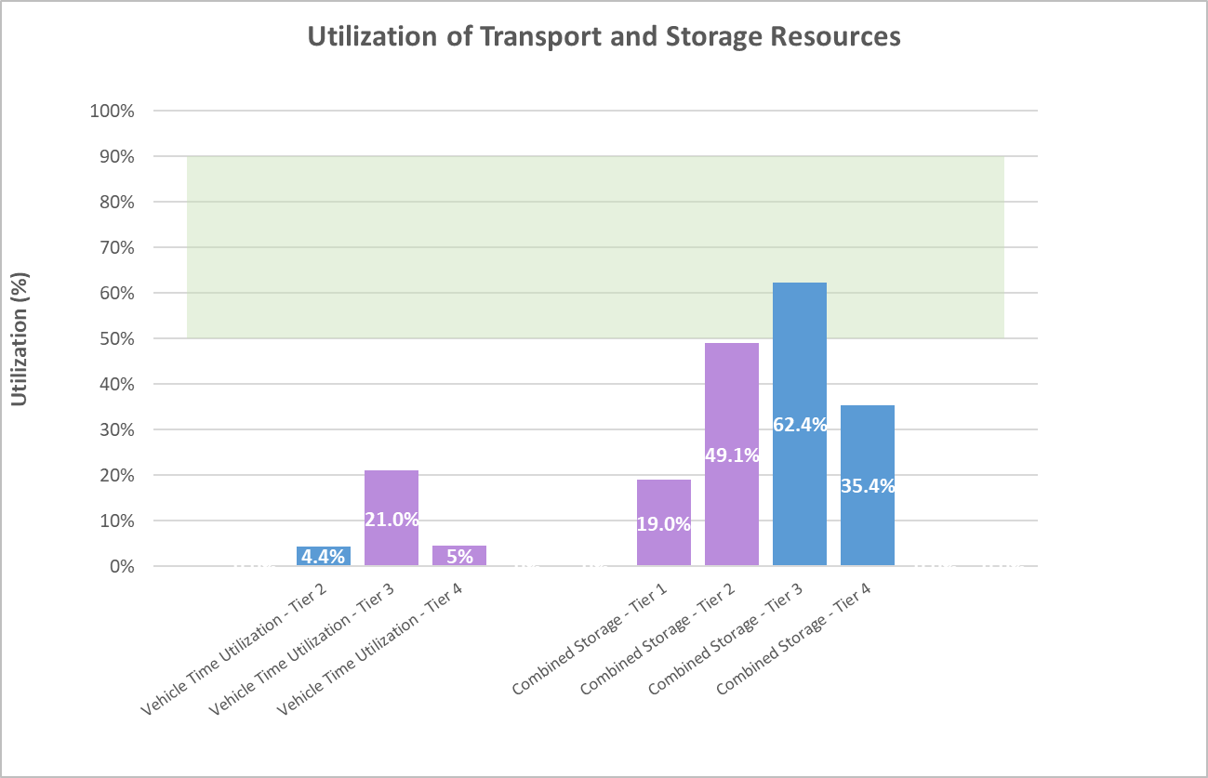
Ideal
= Utilization
Range
 | Average Inventory Levels ($ Value) |  | -- The monetary value (in user-specified currency) of the average amount of inventory (m^3) in the entire supply chain at any given time (For each tier: [$ value per m^3] x [m^3 per facility average inventory] x [# facilities in tier]). -- Interpretation: Some inventory is necessary to buffer against unexpected changes in supply and demand, but in general lower is better. Money that is tied up in inventory cannot be invested in other program activities, and thus carries a significant opportunity cost.
 | Total kilometers Traveled per cubic meter delivered |  | -- Ratio of [Total kilometers traveled for ordering/delivery/additional activities] / [Total volume of commodities delivered to final tier] --Interpretation: Some travel will always be required to distribute commodities from upstream to downstream tiers, but travel is generally costly. This value can help users identify SC design options that can deliver commodities with a minimum of travel. Higher values are likely caused by a) additional activities that require travel, e.g. ordering b) delivery vehicles with a small capacity (m^3), thus requiring multiple trips to each facility every resupply period c) low maximum allowable days per travel route (e.g. 1 or 2 days) in a country with long driving/dwell times, creating routes that only reach a couple of clinics at a time, which leads to excessive (and inefficient) driving between tiers. NOTE: This value obviously increases for countries with larger land area, so it is best used when comparing supply chain design options within a single geography.

 | Utilization of Transport Resources |  | Explanation
 | Delivery Vehicle Capacity Utilization | Mode 1 | -- For each tier of the supply chain, the percent of available vehicle delivery capacity (m^3) that is actually being used on deliveries. -- Interpretation: In general, 75% - 85% capacity utiliztion is ideal. Anything above 90-95% likely indicates that delivery resources will frequently be overburdened - vehicles aren't big enough, or there aren't enough of them. Anything below 50% indicates much of the available space on delivery vehicles is being left empty, and thus the supply chain is paying for vehicle space that it isn't using --NOTE: if the user has specified a "route-based" delivery pattern, this value may default to 99% or 100%. In this case, it is the Delivery Vehicle Time Utilization that more accurately reflects overall utilization of delivery resources.
 |  | Mode 2
 |  | Mode 3
 | Delivery Vehicle Time Utilization | Average across modes | -- For each tier of the supply chain, the percent of total availlable delivery days (# vehicles x # working days per vehicle per year) that are actually being used for deliveries. -- Interpretation: In general, 75% - 85% time utiliztion is ideal. Anything above 90-95% means that vehicles will constantly be in use, leaving little room for error for things like maintenance, breakdowns, emergency orders, etc. Anything below 50% indicates that there are likely more vehicles available than are actually needed -- NOTE: Ordering Vehicle Utilization and Additional Vehicle Utilization are only calculated if they use separate vehicles; otherwise the Delivery Vehicle Time Utilization statistics will incorporate any ordering/additional vehicle time requirements.
 |  | Mode 1
 |  | Mode 2
 |  | Mode 3
 | Ordering Vehicle Time Utilization | Average across modes
 |  | Mode 1
 |  | Mode 2
 |  | Mode 3
 | Additional Vehicle Time Utilization | Average across modes
 |  | Mode 1
 |  | Mode 2
 |  | Mode 3
 | Average Vehicle Time Utilization | Average across modes and transport purpose

 |  |  |  |  |  |  |  | Storage & Transport Utilization Formatting Thresholds (From Scenario Manager)
 |  |  |  |  |  |  |  |  | Storage | Transport
Table 3: Operational Stats - Warehousing |  |  | Explanation |  |  |  |  | Overutilization: Any utilization exceeding specified percent is considered overutilized | 90% | 90%
 | All Products
 |  | Total annual demand per facility | Within a given supply chain tier, the total number of cubic meters (m^3) of product expected to be ordered by each facility in a given order period. This value is the same for each facility within that tier, and includes ambient and cold chain commodities. |  |  |  |  | Underutilization: Any utilization less than specified percent is considered underutilized | 50% | 50%
 |  | Utilization of labor resources (throughput) | Ratio of time spent processing commodities at storage facilities, divided by total available time for processing. Based on user inputs for 1) total number of full-time-equivalent (FTE) workers per storage point, and 2) average throughput capacity (m^3/day) per person
 |  | Average Combined Storage Utilization across storage types | Ratio of average inventory levels (m^3) divided by total available storage capacity per facility. Based on user input for 1) overall system demand, 2) resupply frequency, 3) safety stock levels, and 4) average storage capacity per facility
 |  | Number of Storage Types Outside Ideal Range (50-90%) | A count of the number of tiers in which average storage utilization is outside an ideal range. Range is user-specified, but 50% to 90% utilization is a common target range in global health applications
 | Ambient Temperature Products
 |  | Avg annual demand per facility | Within a given supply chain tier, the total number of cubic meters (m^3) of ambient-temperature product expected to be ordered by each facility in a given order period. This value is the same for each facility within that tier.
 |  | Avg demand volume (m^3) per facility per period | Average annual demand per facility divided by the number of resupply periods
 |  | Expected Avg safety stock (m^3) | The volume (m^3) of safety or buffer stock expected on-hand at a facility at the beginning of an order period. This equates to the minimum amount of stock expected for an order period with average total demand.
 |  | Expected Avg inventory Levels per facility | Overall average level of inventory expected at storage facilties over the course of a year. This tool assumes a constant daily demand, thus average inventory is equal to safety stock plus one-half of the average demand volume per resupply period
 |  | Expected Max inventory level per facility | Maximum level of inventory expected at storage facilities at any time. This tool assumes constant daily demand, thus max inventory is equal to safety stock plus average demand volume per resupply period
 |  | Average storage capacity utilization | Ratio of average inventory levels (m^3) divided by total available storage capacity per facility. Based on user input for 1) overall system demand, 2) resupply frequency, 3) safety stock levels, and 4) average storage capacity per facility
 | Cold Chain Products
 |  | Avg annual demand per facility (m^3) | Same values as the Ambient Temperature Products section above, but applicable to cold-chain-specific commodities rather than ambient temperature commodities
 |  | Avg demand volume (m^3) per facility per period
 |  | Expected Avg safety stock (m^3)
 |  | Expected Avg inventory Levels per facility
 |  | Expected Max inventory level per facility
 |  | Max storage capacity utilization
 | Passive Storage Devices (e.g. vaccine carriers, cold boxes) for transport
 |  | Average utilization of cold box capacity at each tier | For each tier, the average volume (m^3) of passive storage devices in use at any given time, divided by the total volume of available passive storage devices. NOTE: Calculation assumes cold boxes are a pooled resource with no constraints on availability for distribution activities. If the SC design imposes other constraints (e.g. if every facility requires its own cold box to retrieve product from upstream), then this metric may not reflect true need for cold box capacity. In that case the user should manage the other constraints directly (e.g. inputting > 1 cold box per facility)

Table 4: Summary of Annual Operating Costs by Supply Chain Functional Area and Cost Type |  |  | Explanation

 | Functional Areas
 | Total Warehousing Costs |  | Total capital and operating expenses associated with storage of health commodities and processing/packing facility orders
 | Total Transportation Costs |  | Total capital and operating expenses associated with transport of health commodities between storage locations
 | Total Management/System Support Costs |  | Total costs related to supervision, management, training, analysis/forecasting, and other indirect supply chain functions
 | Total Tier Cost

 | Storage - Cost Categories
 | Labor |  | The cost of the time that supply chain workers spend managing warehouse functions, based on their annual salary
 | Equipment & Depreciation Costs |  | The purchase cost of buildings and other equipment necessary to operate the supply chain (i.e. Capital Expenditures)
 | Utilities, repairs, insurance, & other warehouse operations |  | The ongoing operating costs needed to keep the people, equipment, buildings, etc running smoothly (i.e. Operating Expenditures)
 | Transportation - Cost Categories
 | Labor |  | The cost of the time that supply chain workers spend traveling to order and transport health commodities, based on annual salary
 | Equipment & Depreciation Costs |  | The purchase cost of vehicles and other equipment necessary to operate the supply chain (i.e. Capital Expenditures)
 | Per-Diems |  | The amount paid to traveling supply chain workers to cover meals, incidentals, and lodging costs.
 | Fuel, Maintenance, & Other Travel Costs |  | The ongoing operating costs needed to keep vehicles and other equpiment running smoothly (i.e. Operating Expenditures)

Table 5: Detailed Cost Breakdown by Functional Category and Tier

 | Transportation for Ordering |  | Explanation
 |  | Third Party Contracted Costs | If any modes of transport used for ordering are outsourced to a third party logistics provider, their costs will appear here under the appropriate tier
 |  | Vehicle Rental Costs | If any modes of transport used for ordering are involve rented vehicles, the vehicle rental costs will appear here under the appropriate tier
 |  | Labor (Drivers, Team leader, Local Govt Admin) | Personnel salary costs associated with travel for ordering: [Number of hours spent traveling] x [hourly salary]
 |  | Per Diems | Cost of meals, incidentals, and lodging associated with days spent traveling to order commodities: [Number of days of travel] x [daily per diem rate]
 |  | Fuel | Cost of gasoline/diesel to fuel the ordering vehicles. Based on number of kilometers traveled and the fuel efficiency of the vehicle types used
 |  | Insurance | Total annual cost to insure the vehicles used for ordering, based on the number and type of vehicles used
 |  | Maintenance & Repair | Cost of maintaining the vehicles used for ordering, based on the number of kilometers traveled and the average per-km maintenance costs of the vehicle types used
 |  | Depreciation | A fraction of the purchase price of the vehicles used for ordering. Total purchase price is spread over a number of years using straightline depreciation method
 |  | Public transport direct costs (labor included above) | If any modes of transport used for ordering involve public transport, the direct public transport costs (i.e. ticket prices) are included here.
 | Transportation of Commodities
 |  | Third Party Contracted Costs | <<Same cost line items as above, except for modes of transport used to deliver commodities>>
 |  | Vehicle Rental Costs
 |  | Labor (Drivers, Team leader, Local Govt Admin)
 |  | Per Diems
 |  | Fuel
 |  | Insurance
 |  | Maintenance & Repair
 |  | Depreciation
 |  | Public transport direct costs (labor included above)
 | Additional Travel
 |  | Third Party Contracted Costs | <<Same cost line items as above, except for modes of transport used in any additional travel beyond ordering/delivery>>
 |  | Vehicle Rental Costs
 |  | Labor (Drivers, Team leader, Local Govt Admin)
 |  | Per Diems
 |  | Fuel
 |  | Insurance
 |  | Maintenance & Repair
 |  | Depreciation
 |  | Public transport direct costs (labor included above)

 | Warehousing/Storage
 |  | Labor (regular and contract) | The cost of the time that supply chain workers spend managing warehouse functions, based on their annual salary
 |  | Ambient & Cold Storage - Operating Expenses | The ongoing operating costs needed to keep the people, equipment, buildings, etc running smoothly (i.e. Operating Expenditures)
 |  | Ambient Storage - Depreciation & Equipment | The depreciated purchase cost of buildings and other equipment necessary to operate a typical ambient-temperature warehouse
 |  | Cold Storage - Depreciation & Equipment | The depreciated purchase cost of cold-chain specific equipment (e.g. cold room, freezer)
 |  | Cold boxes for Transport - Operating expenses | If applicable, the average annual cost to operate any cold boxes owned by storage facilities (e.g. electricity, fuel, maintenance)
 |  | Cold boxes for Transport - Depreciation & Equipment | The depreciated purchase cost of cold boxes used to transport cold-chain commodities to/from the storage facility
 | Management/System Support
 |  | Total cost of supervision, personnel & data mgmt | Total costs related to supervision, management, training, analysis/forecasting, and other indirect supply chain functions

 | Table 6: Detailed operational statistics for transportation function

 |  |  | Table 6 provides a detailed breakdown of the travel activities required at each tier and mode of transport. These estimated activities (e.g. # trips needed, # travel days, # kilometers traveled) provide the basis for cost and utilization calculations in Tables 1-5 above. This table can be used to validate the accuracy of the Input Parameters data, by checking that key values (e.g. # Facility visits per trip, # Trips needed per year) are reasonable given the distances, number of facilities and number of resupply periods specified. NOTE: This table does contain calculations that are unused in the final costing model. For each transport mode, the table automatically calculates details for several different design options (public transport vs owned vehicles, route-based vs. point-to-point travel), with Tables 1-5 above selecting/using only the set of calculations that matches the design specified in the Input Parameters page. Thus when using this table for validation, the user should be careful to focus only on that same set of calculations.
 | Commodity Transport - Mode 1
 |  | Total annual demand per facility managed by this mode | Same values as in Table 3 above, but can be either Total Annual Demand per Facility, Total Ambient Temp. Demand per Facility, or Total Cold Chain Demand per Facility, depending on whether the user has indicated an exclusive cold chain mode of transport.
 | Cold Box Utilization calculations
 |  | Avg cold chain volume (m^3) delivered per trip - Delivery Mode 1 | Total annual cold chain volume for this mode, divided by the total number of trips needed per year. Used to estimate the amount of cold box capacity needed per trip
 |  | Estimated number of simultaneous trips needed | Total number of days spent traveling per year for this mode, divided by the number of available work days. Used to estimate how many vehicles will be out for delivery at any given time, which can determine how many cold boxes a facility must have on hand
 | Public Transport Travel
 |  | Total # Public Transit trips needed per year | Based on 1) number of facilities using public transit, 2) number of resupply periods in a year, and 3) volume of commodities that can be carried on one public transit trip.
 |  | Total # days out on public transit per year | Number of trips needed per year multiplied by the average duration (travel time + dwell time at facility) per trip; Will be based on either the point-to-point or route-based values below, depending on which option the user has selected for this mode
 |  | Number of Facilities to visit per period | Total number of facilities at this tier, multiplied by the percentage that are using this mode of transport |  |  |  | **NOTE: Assumes facility staff traveling in to source tier; for perdiem cost calculations, NumDays should be >= NumFacilities
 |  | Max # Facilities per trip (based on delivery capacity) | Volume of commodities that can be carried on one public transit trip, divided by the total annual demand per facility for this mode
 |  | Route-based Travel - Public Transport
 |  | # Facility Visits reachable in a single workday | Number of hours per workday divided by total visit time per facility (travel time + dwell time)
 |  | Overall max # Facility visits per route | Either the Max # facilities based on delivery capacity, or the Max # facilities based on time limits (Max # facilities per day * Max # days per route), whichever value is smaller
 |  | Number of routes needed per period | Total number of facilities to visit per period, divided by the maximum number of facilities visited per route
 |  | Total # Public Transit Trips Needed per period | Number of individual trips needed. For each route, the model estimates two trips needed to travel between the upstream warehouse and the first destination facility, and one additional trip for each additional facility visited on the route.
 |  | Total # days out on public transit per period | Number of trips needed per period multiplied by the average duration (travel time + dwell time at facility) per trip, for route-based public transit travel
 |  | Point-to-Point Travel - Public Transport
 |  | Total # Public Transit Trips Needed per period | Number of individual trips needed. For point-to-point travel, the model assumes two trips per facility per resupply period
 |  | Total # days out on public transit per period | Number of trips needed per period multiplied by the average duration (travel time + dwell time at facility) per trip, for point-to-point public transit travel
 | Other Vehicle Travel
 |  | Number of facilities to visit per period | Total number of facilities at this tier, multiplied by the percentage that are using this mode of transport
 |  | # Kilometers Traveled - Delivery | Distance traveled per trip, multiplied by the number of trips needed per year; will be based on either the point-to-point or route-based values below, dependign on which option the user has selected for this mode
 |  | Total # Trips Needed per year | Number of individual travel trips needed, based on 1) number of facilities to visit, 2) number of resupply periods in a year, and 3) the number of facilities that can be visited in one trip. Will be based on etiher the point-to-point or route-based values below
 |  | # Days out on delivery per year | Number of trips needed per year, multiplied by number of days needed per trip
 |  | Vehicle utilization - Delivery capacity | Total volume (m^3) to deliver per trip, divided by total capacity of delivery vehicles (NOTE: if user has selected route-based travel, and the max # of facilities is limited by capacity rather than by user policies, then this value will automatically be 100%) |  |  | How to calculate total # Truck days available…# Trucks * work days per year?
 |  | Vehicle utilization - Time | Number of days out on delivery per year, divided by the total number of vehicle-days availble for delivery (i.e. Number of working days per year * Number of available vehicles)
 |  | Route-based Travel - Owned vehicles
 |  | Max # facility deliveries per trip (based on delivery capacity) | Delivery capacity of selected vehicle type (m^3) divided by average demand volume per facility per period
 |  | Max # Facility deliveries per trip (user policies) | Maximum allowable days per delivery route (A user input from Section 6.1) multiplied by the number of facilities that can be visited in a single workday based on distance, driving speed, dwell time at facilities, etc.
 |  | Overall Max # Facility visits per trip | Minimum of the above two numbers (i.e. the max # facilities will either be constrained by delivery capacity of the vehicle or by time available for a single route)
 |  | # Trips Needed Per Year - Delivery | Total number of facilities to visit per year, divided by the maximum number of facility visits per trip
 |  | Distance Traveled per trip (km) - Delivery | 2*[Distance to nearest upstream facility] + [N-1]*[Distance bewteen facilities at this tier], where "N" equals the maximum number of facility visits per trip
 |  | Time (hrs) needed per trip - Delivery | Total time spent in-facility (Number of facility deliveries per trip * dwell time per facility ) plus Total driving time between facilities (Distance traveled * Average speed) |  |  | Question: Dwell time repeat in full for partial facility visits?
 |  | Max # Trips per year - Delivery | Total available vehicle-days (number of working days per year * number of available vehicles) divided by total time needed per trip
 |  | Point-to-Point Travel - Owned vehicles
 |  | # Trips Needed Per Year - Delivery | Total number of facilities to visit per year, divided by the maximum number of facility visits per trip (will be equal to one trip per facility per period, unless the delivery capacity of the vehicle is less than the facility's demand volume)
 |  | Distance Traveled per trip (km) - Delivery | Equal to twice the distance between a facility and its upstream supplier
 |  | Max # Trips per year - Delivery | Total available vehicle-days (number of working days per year * number of available vehicles) divided by total time needed per trip
 | Commodity Transport - Mode 2 |  | <<The above calculations repeat for each transport mode and function>>
 | Commodity Transport - Mode 3

 | Ordering - Transport Mode 1
 | Ordering - Transport Mode 2 |  |  | Formula for Dwell Time | ((1/60)*('Input Parameters'!N201+'Input Parameters'!$H$22*('Input Parameters'!N202+('Input Parameters'!N203*('Input Parameters'!N$372/'Input Parameters'!N$92/'Input Parameters'!$H$22)))))
 | Ordering - Transport Mode 3

 | Additional Travel - Transport Mode 1
 | Additional Travel - Transport Mode 2
 | Additional Travel - Transport Mode 3

Scenario Manager
NOTE: The password to unprotect this worksheet is "password". Please do not unprotect this worksheet unless you are confident of the change you are making.
Basic Scenario Information -- Fill out this top section before entering data on any of the Input Parameters or Output Statistics worksheets

 |  | Number of Scenarios to Compare
 |  |  |  |  |  |  |  |  |  |  |  |  | Enter names of any data templates you plan to use (extra templates listed here will not affect analysis)
 | Scenario Name (Optional) | Inputs Worksheet Name | Outputs Worksheet Name | Description of Scenario (Optional)
1 |  |  |  |  |  |  |  | Storage/Transport Utilization - Conditional Formatting Color Thresholds |  |  |  |  | SouthernAfricaProvince1 |  |  |  | Current state supply chain. Every 3 months facilities submit orders and receive resupply shipments
2 |  |  |  |  |  |  |  |  |  | Storage | Transport |  |  |  |  |  | Same as baseline but with overall supply chain demand increased to 1.5x baseline levels
3 |  |  |  |  |  |  |  | Overutilization: Any utilization exceeding specified percent is considered overutilized |  | 90% | 90% |  |  |  |  |  | Monthly ordering cycles instead of quarterly, with overall supply chain demand increased to 1.5x baseline levels
4 |  |  |  |  |  |  |  |  |  |  |  |  |  |  |  |  | Maintain baseline quarterly ordering; overall SC demand increased to 1.5x baseline levels; storage at all levels also increased by 1.5x
5 |  |  |  |  |  |  |  | Underutilization: Any utilization less than specified percent is considered underutilized |  | 50% | 50%
6

Comparison: Total annual operating cost
 | Total warehousing & commodity storage costs | Total transportation costs - Delivery, Ordering, & Other Travel | Total system management & supervision costs
 | $ - | $ - | $ -
 | $ - | $ - | $ -
 | $ - | $ - | $ -
 | $ - | $ - | $ -
 | $ - | $ - | $ -
 | $ - | $ - | $ -
Scenario Comparison |  |  |  | Scenario 1 | Scenario 2 | Scenario 3 | Scenario 4 | Scenario 5 | Scenario 6

High-level Descriptive Information |  |  | Cell(s) in Worksheet
 | Number of Tiers |  | H9 |  |  |  |  |  |  |  |  |  | Comparison: Total annual operating cost
 | Number of facilities served at final tier |  | H10
 | Total Ambient Volume (m^3) Delivered to final tier |  | H11 |  |  |  |  |  |  |  |  |  |  |  |  |  |  | Total annual operating cost
 | Total Cold Chain Volume Delivered to Final Tier |  | H12 |  |  |  |  |  |  |  |  |  |  |  |  |  |  | Annual cost per m^3 delivered
 | Total annual operating cost |  | H18 |  |  |  |  |  |  |  |  |  |  |  |  |  |  | Annual cost as percentage of commodity value

High-Level Efficiency Metrics
 | Annual cost as percentage of commodity value |  | Y25
 | Value of average system inventory levels |  | Y27
 | Annual cost per m^3 delivered |  | Y26
 | Kilometers traveled per m^3 delivered |  | Y28

Utilization of Ambient Storage Capacity by Tier
1 | Tier 1 - Storage utilization |  | H62 |  |  |  |  |  |  |  |  | Select efficiency metric to display in graph below:
2 | Tier 2 - Storage utilization |  | K62 |  |  |  |  |  |  |  |  | Annual cost per m^3 delivered
 | Efficiency Comparison: Annual cost per m^3 delivered
 | 0
 | 0
 | 0
 | 0
 | 0
 | 0
3 | Tier 3 - Storage utilization |  | N62
4 | Tier 4 - Storage utilization |  | Q62
5 | Tier 5 - Storage utilization |  | T62 |  |  |  |  |  |  |  |  | Efficiency Comparison: Annual cost per m^3 delivered
6 | Tier 6 - Storage utilization |  | W62

Utilization of Cold Storage Capacity by Tier
1 | Tier 1 - Cold Storage utilization |  | H69
2 | Tier 2 - Cold Storage utilization |  | K69
3 | Tier 3 - Cold Storage utilization |  | N69 |  |  |  |  |  |  |  |  | Scenario 1 | Scenario 2 | Scenario 3 | Scenario 4 | Scenario 5 | Scenario 6
4 | Tier 4 - Cold Storage utilization |  | Q69
5 | Tier 5 - Cold Storage utilization |  | T69
6 | Tier 6 - Cold Storage utilization |  | W69

Utilization of Warehouse Throughput (Labor) Capacity by Tier
1 | Tier 1 - Throughput utilization |  | H53
2 | Tier 2 - Throughput utilization |  | K53
3 | Tier 3 - Throughput utilization |  | N53
4 | Tier 4 - Throughput utilization |  | Q53
5 | Tier 5 - Throughput utilization |  | T53
6 | Tier 6 - Throughput utilization |  | W53

Utilization of Transport Resources by Tier
1 | Tier 1 - Average vehicle utilization |  | H46
2 | Tier 2 - Average vehicle utilization |  | K46
3 | Tier 3 - Average vehicle utilization |  | N46
Utilization of Ambient Storage Capacity
 | Lower Bound | Upper bound | Tier 1 | Tier 2 | Tier 3 | Tier 4 | Tier 5 | Tier 6
 | 50% | 40%
 | 50% | 40% | 0% | 0% | 0% | 0% | 0% | 0%
 | 50% | 40% | 0% | 0% | 0% | 0% | 0% | 0%
 | 50% | 40% | 0% | 0% | 0% | 0% | 0% | 0%
 | 50% | 40% | 0% | 0% | 0% | 0% | 0% | 0%
 | 50% | 40% | 0% | 0% | 0% | 0% | 0% | 0%
 | 50% | 40% | 0% | 0% | 0% | 0% | 0% | 0%
4 | Tier 4 - Average vehicle utilization |  | Q46
5 | Tier 5 - Average vehicle utilization |  | T46
6 | Tier 6 - Average vehicle utilization |  | W46 |  |  |  |  |  |  |  |  | 40% | 40% | 40% | 40% | 40% | 40% | 40%
 |  |  |  |  |  |  |  |  |  |  |  | 50% | 50% | 50% | 50% | 50% | 50% | 50%
Number of Over- or Under-utilized Transport Modes by Tier
 | Delivery - Number of over/underutilized transport modes |  | Z34
Ideal
= Utilization
Range
 | Ordering - Number of over/underutilized transport modes |  | Z38
 | Additional - Number of over/underutilized transport modes |  | Z42

Breakdown of Total Annual Cost by function
 | Total warehousing & commodity storage costs |  | Y78
 | Total transportation costs - Delivery, Ordering, & Other Travel |  | Y79
 | Total system management & supervision costs |  | Y80

Warehousing/Storage Cost Breakdown by Tier
1 | Tier 1 - Warehousing Costs |  | H78
2 | Tier 2 - Warehousing Costs |  | K78
3 | Tier 3 - Warehousing Costs |  | N78
4 | Tier 4 - Warehousing Costs |  | Q78
Utilization of Cold Chain Storage Capacity
 | Lower Bound | Upper bound | Tier 1 | Tier 2 | Tier 3 | Tier 4 | Tier 5 | Tier 6
 | 50% | 40%
 | 50% | 40% | 0% | 0% | 0% | 0% | 0% | 0%
 | 50% | 40% | 0% | 0% | 0% | 0% | 0% | 0%
 | 50% | 40% | 0% | 0% | 0% | 0% | 0% | 0%
 | 50% | 40% | 0% | 0% | 0% | 0% | 0% | 0%
 | 50% | 40% | 0% | 0% | 0% | 0% | 0% | 0%
 | 50% | 40% | 0% | 0% | 0% | 0% | 0% | 0%
5 | Tier 5 - Warehousing Costs |  | T78
6 | Tier 6 - Warehousing Costs |  | W78

Transportation Cost Breakdown by Tier |  |  |  |  |  |  |  |  |  |  |  | 40% | 40% | 40% | 40% | 40% | 40% | 40%
1 | Tier 1 - Transportation Costs |  | H79 |  |  |  |  |  |  |  |  | 50% | 50% | 50% | 50% | 50% | 50% | 50%
2 | Tier 2 - Transportation Costs |  | K79
Ideal
= Utilization
Range
3 | Tier 3 - Transportation Costs |  | N79
4 | Tier 4 - Transportation Costs |  | Q79
5 | Tier 5 - Transportation Costs |  | T79
6 | Tier 6 - Transportation Costs |  | W79

System Management/Supervision Cost Breakdown by tier
1 | Tier 1 - System Management/Supervision costs |  | H80
2 | Tier 2 - System Management/Supervision costs |  | K80
3 | Tier 3 - System Management/Supervision costs |  | N80
4 | Tier 4 - System Management/Supervision costs |  | Q80
5 | Tier 5 - System Management/Supervision costs |  | T80
6 | Tier 6 - System Management/Supervision costs |  | W80

Average Utilization of Transportation Resources
 | Lower Bound | Upper bound | Tier 1 --> 2 | Tier 2 --> 3 | Tier 3 --> 4 | Tier 4 --> 5 | Tier 5 --> 6
 | 50% | 40%
 | 50% | 40% | 0% | 0% | 0% | 0% | 0%
 | 50% | 40% | 0% | 0% | 0% | 0% | 0%
 | 50% | 40% | 0% | 0% | 0% | 0% | 0%
 | 50% | 40% | 0% | 0% | 0% | 0% | 0%
 | 50% | 40% | 0% | 0% | 0% | 0% | 0%
 | 50% | 40% | 0% | 0% | 0% | 0% | 0%

Ideal
= Utilization
Range
 |  |  |  |  |  |  |  |  |  |  |  | 40% | 40% | 40% | 40% | 40% | 40% | 40%
 |  |  |  |  |  |  |  |  |  |  |  | 50% | 50% | 50% | 50% | 50% | 50% | 50%

1_Outputs
NOTE: You can use the data grouping feature (the [+] and [-] signs to the left of the row numbers) to collapse unused sections, but you must first unprotect the worksheet The password to unprotect this worksheet is "password". Please do not unprotect this worksheet unless you are confident of the change you are making.

 |  | Select Input Sheet to Analyze:
 |  | Name of Selected Scenario: |  | Can't Find Selected Input Parameters Worksheet!

Supply Chain Costs by Tier and Functional Area
 | Total Warehousing Costs | Total Transportation Costs | Total Management/System Support Costs
$- | $- | $- | $-
$- | $- | $- | $-
$- | $- | $- | $-
$- | $- | $- | $-
$- | $- | $- | $-
$- | $- | $- | $-

 | Table 1: High-level Scenario Overview
 |  | Number of Supply Chain Tiers |  | #REF!
 |  | Number of Facilities Served at Last Tier |  | #REF!
 |  | Total Volume (m^3) Delivered to last tier (Ambient + Cold Chain Commodities): |  | #REF!
 |  | Total Cold Chain Volume (m^3) Delivered to last tier |  | #REF!
 |  | Total Value of Procured Commodities |  | #REF!
 |  | Total Kilometers Traveled per year by owned, rented, or contracted vehicles (excludes public transport) |  | -
 |  | Total Number of Travel Days |  | -
 |  | Total Number of Travel or Storage Modes that are over- or under-utilized: |  | #REF!

 |  | Estimated Total Annual Operating Cost: |  | #REF!

Warehousing Cost Breakdown by Category
Transportation Cost Breakdown by Category
 | Table 2: Supply Chain Efficiency Metrics |  |  | #REF! | #REF! | #REF! | #REF! | #REF! | #REF! | Totals
 |  | Overall System Efficiency
 |  |  | Cost as a Percentage of Commodity Value | #REF! | #REF! | #REF! | #REF! | #REF! | #REF! | #REF!
 |  |  | Cost per m^3 of Commodities Delivered | #REF! | #REF! | #REF! | #REF! | #REF! | #REF! | #REF!
 |  |  | Average Inventory Levels ($ Value) | $ - | $ - | $ - | $ - | $ - | $ - | $ -
 |  |  | Total kilometers Traveled per m^3 delivered | - | - | - | - | - | - | -

 |  | Utilization of Transport Resources |  |  |  |  |  |  |  | Overall Average Utilization | # over/under-utilized modes
 |  | Delivery Vehicle Capacity Utilization | Mode 1 | - | - | - | - | - | - |  | 0
 |  |  | Mode 2 | - | - | - | - | - | -
 |  |  | Mode 3 | - | - | - | - | - | -
 |  | Delivery Vehicle Time Utilization | Average across modes | - | - | - | - | - | - |  | 0
 |  |  | Mode 1 | - | - | - | - | - | -
 |  |  | Mode 2 | - | - | - | - | - | -
 |  |  | Mode 3 | - | - | - | - | - | -
 |  | Ordering Vehicle Time Utilization | Average across modes | - | - | - | - | - | - |  | 0
 |  |  | Mode 1 | - | - | - | - | - | -
 |  |  | Mode 2 | - | - | - | - | - | -
 |  |  | Mode 3 | - | - | - | - | - | -
 |  | Additional Vehicle Time Utilization | Average across modes | - | - | - | - | - | - |  | 0
 |  |  | Mode 1 | - | - | - | - | - | -
 |  |  | Mode 2 | - | - | - | - | - | -
 |  |  | Mode 3 | - | - | - | - | - | -
Utilization of Transport and Storage Resources
 | 50% | 40%
 | 50% | 40% | 0.0%
 | 50% | 40% | 0.0%
 | 50% | 40% | 0.0%
 | 50% | 40% | 0.0%
 | 50% | 40% | 0.0%
 | 50% | 40% | 0.0%
 | 50% | 40% | 0.0%
 | 50% | 40% | 0.0%
 | 50% | 40% | 0.0%
 | 50% | 40% | 0.0%
 | 50% | 40% | 0.0%
 | 50% | 40% | 0.0%
 |  | Overall Average Vehicle Time Utilization | Average across modes and transport purpose |  |  |  |  |  |  | Total: | 0

 |  |  |  |  |  |  |  |  |  |  |  |  |  |  |  |  |  |  | Storage & Transport Utilization Formatting Thresholds (From Scenario Manager)
 |  |  |  | #REF! | #REF! | #REF! | #REF! | #REF! | #REF! |  |  |  |  |  |  |  |  |  |  | Storage | Transport
 | Table 3: Operational Stats - Warehousing |  |  | #REF! | #REF! | #REF! | #REF! | #REF! | #REF! |  |  |  |  |  |  |  |  |  | Overutilization: Any utilization exceeding specified percent is considered overutilized | 90% | 90%
 |  | All Products
 |  |  | Total annual demand per facility | #REF! | #REF! | #REF! | #REF! | #REF! | #REF! |  |  |  |  |  |  |  |  |  | Underutilization: Any utilization less than specified percent is considered underutilized | 50% | 50%
 |  |  | Utilization of labor resources (throughput)
 |  |  | Average Combined Storage Utilization across storage types
Ideal
= Utilization
Range
 |  |  | Number of Storage Types Outside Ideal Range (50-90%) | #REF! | #REF! | #REF! | #REF! | #REF! | #REF!
 |  | Ambient Temperature Products |  |  |  |  |  |  |  |  |  |  |  |  | 50% | 40%
 |  |  | Avg annual demand per facility | #REF! | #REF! | #REF! | #REF! | #REF! | #REF! |  |  |  | 0.00% |  | 50% | 40%
 |  |  | Avg demand volume (m^3) per facility per period |  |  |  |  |  |  |  |  |  | 0.00% |  | 50% | 40%
 |  |  | Expected Avg safety stock (m^3) |  |  |  |  |  |  |  |  |  | 0.00% |  | 50% | 40%
 |  |  | Expected Avg inventory Levels per facility |  |  |  |  |  |  |  |  |  |  |  | 50% | 40%
 |  |  | Expected Max inventory level per facility |  |  |  |  |  |  |  |  |  |  |  | 50% | 40%
 |  |  | Average storage capacity utilization |  |  |  |  |  |  |  |  |  |  |  | 50% | 40%
 |  | Cold Chain Products |  |  |  |  |  |  |  |  |  |  | 0.00% | #REF! | 50% | 40%
 |  |  | Avg annual demand per facility (m^3) | #REF! | #REF! | #REF! | #REF! | #REF! | #REF! |  |  |  | 0.00% | #REF! | 50% | 40%
 |  |  | Avg demand volume (m^3) per facility per period |  |  |  |  |  |  |  |  |  | 0.00% | #REF! | 50% | 40%
 |  |  | Expected Avg safety stock (m^3) |  |  |  |  |  |  |  |  |  | 0.00% | #REF! | 50% | 40%
 |  |  | Expected Avg inventory Levels per facility |  |  |  |  |  |  |  |  |  | 0.00% | #REF! | 50% | 40%
 |  |  | Expected Max inventory level per facility |  |  |  |  |  |  |  |  |  | 0.00% | #REF! | 50% | 40%
 |  |  | Max storage capacity utilization
 |  | Passive Storage Devices (e.g. vaccine carriers, cold boxes) for transport
 |  |  | Average utilization of cold box capacity at each tier | #REF! | #REF! | #REF! | #REF! | #REF! | #REF!
 |  | ^^NOTE: Calculation assumes cold boxes are a pooled resource with no constraints on availability for distribution activities. If the SC design imposes other constraints (e.g. if every facility requires its own cold box to retrieve product from upstream), then this metric may not reflect true need for cold box capacity. In that case the user should manage the other constraints directly (e.g. inputting > 1 cold box per facility)

 | Table 4: Summary of Annual Operating Costs by Supply Chain Functional Area and Cost Type
 |  |  |  | #REF! | #REF! | #REF! | #REF! | #REF! | #REF! | Total
 |  | Functional Areas
 |  | Total Warehousing Costs |  | $- | $- | $- | $- | $- | $- | $-
 |  | Total Transportation Costs |  | #REF! | #REF! | #REF! | #REF! | #REF! | #REF! | #REF!
 |  | Total Management/System Support Costs |  | #REF! | #REF! | #REF! | #REF! | #REF! | #REF! | #REF!
 |  | Total Tier Cost |  | #REF! | #REF! | #REF! | #REF! | #REF! | #REF! | #REF!

 |  | Storage - Cost Categories
 |  | Labor |  | $- | $- | $- | $- | $- | $- | $-
 |  | Equipment & Depreciation Costs |  | $- | $- | $- | $- | $- | $- | $-
 |  | Utilities, repairs, insurance, & other warehouse operations |  | $- | $- | $- | $- | $- | $- | $-
 |  | Transportation - Cost Categories
 |  | Labor |  | #REF! | #REF! | #REF! | #REF! | #REF! | #REF! | #REF!
 |  | Equipment & Depreciation Costs |  | $- | $- | $- | $- | $- | $- | $-
 |  | Per-Diems |  | $- | $- | $- | $- | $- | $- | $-
 |  | Fuel, Maintenance, & Other Travel Costs |  | #REF! | #REF! | #REF! | #REF! | #REF! | #REF! | #REF!

 | Table 5: Detailed Cost Breakdown by Functional Category and Tier
 |  |  |  |  | #REF! | #REF! | #REF! | #REF! | #REF! | Total
 |  | Transportation for Ordering |  |  |  |  |  |  |  | #REF!
 |  |  | Third Party Contracted Costs | $- | $- | $- | $- | $- | $- | $-
 |  |  | Vehicle Rental Costs | $- | $- | $- | $- | $- | $- | $-
 |  |  | Labor (Drivers, Team leader, Local Govt Admin) | #REF! | #REF! | #REF! | #REF! | #REF! | #REF! | #REF!
 |  |  | Per Diems | $- | $- | $- | $- | $- | $- | $-
 |  |  | Fuel | #REF! | #REF! | #REF! | #REF! | #REF! | #REF! | #REF!
 |  |  | Insurance | $- | $- | $- | $- | $- | $- | $-
 |  |  | Maintenance & Repair | $- | $- | $- | $- | $- | $- | $-
 |  |  | Depreciation | $- | $- | $- | $- | $- | $- | $-
 |  |  | Public transport direct costs (labor included above) | $- | $- | $- | $- | $- | $- | $-
 |  | Transportation of Commodities |  |  |  |  |  |  |  | #REF!
 |  |  | Third Party Contracted Costs | $- | $- | $- | $- | $- | $- | $-
 |  |  | Vehicle Rental Costs | $- | $- | $- | $- | $- | $- | $-
 |  |  | Labor (Drivers, Team leader, Local Govt Admin) | #REF! | #REF! | #REF! | #REF! | #REF! | #REF! | #REF!
 |  |  | Per Diems | $- | $- | $- | $- | $- | $- | $-
 |  |  | Fuel | #REF! | #REF! | #REF! | #REF! | #REF! | #REF! | #REF!
 |  |  | Insurance | $- | $- | $- | $- | $- | $- | $-
 |  |  | Maintenance & Repair | $- | $- | $- | $- | $- | $- | $-
 |  |  | Depreciation | $- | $- | $- | $- | $- | $- | $-
 |  |  | Public transport direct costs (labor included above) | $- | $- | $- | $- | $- | $- | $-
 |  | Additional Travel |  |  |  |  |  |  |  | #REF!
 |  |  | Third Party Contracted Costs | $- | $- | $- | $- | $- | $- | $-
 |  |  | Vehicle Rental Costs | $- | $- | $- | $- | $- | $- | $-
 |  |  | Labor (Drivers, Team leader, Local Govt Admin) | #REF! | #REF! | #REF! | #REF! | #REF! | #REF! | #REF!
 |  |  | Per Diems | $- | $- | $- | $- | $- | $- | $-
 |  |  | Fuel | #REF! | #REF! | #REF! | #REF! | #REF! | #REF! | #REF!
 |  |  | Insurance | $- | $- | $- | $- | $- | $- | $-
 |  |  | Maintenance & Repair | $- | $- | $- | $- | $- | $- | $-
 |  |  | Depreciation | $- | $- | $- | $- | $- | $- | $-
 |  |  | Public transport direct costs (labor included above) | $- | $- | $- | $- | $- | $- | $-

 |  |  |  | #REF! | #REF! | #REF! | #REF! | #REF! | #REF!
 |  | Warehousing/Storage |  |  |  |  |  |  |  | $-
 |  |  | Labor (regular and contract) | $- | $- | $- | $- | $- | $- | $-
 |  |  | Ambient & Cold Storage - Operating Expenses | $- | $- | $- | $- | $- | $- | $-
 |  |  | Ambient Storage - Depreciation & Equipment | $- | $- | $- | $- | $- | $- | $-
 |  |  | Cold Storage - Depreciation & Equipment | $- | $- | $- | $- | $- | $- | $-
 |  |  | Cold boxes for Transport - Operating expenses | $- | $- | $- | $- | $- | $- | $-
 |  |  | Cold boxes for Transport - Depreciation & Equipment | $- | $- | $- | $- | $- | $- | $-
 |  | Management/System Support |  |  |  |  |  |  |  | #REF!
 |  |  | Total cost of supervision, personnel & data mgmt | #REF! | #REF! | #REF! | #REF! | #REF! | #REF! | #REF!

 |  | Table 6: Detailed operational statistics for transportation function

 |  | Transport of Commodities - Mode 1 |  |  | #REF! | #REF! | #REF! | #REF! | #REF!
 |  |  | Total annual demand per facility managed by this mode |  | - | - | - | - | -
 |  | Cold Box Utilization calculations
 |  |  | Avg cold chain volume (m^3) delivered per trip - Delivery Mode 1 |  | - | - | - | - | -
 |  |  | Estimated number of simultaneous trips needed |  | - | - | - | - | -
 |  | Public Transport Travel
 |  |  | Total # Public Transit trips needed per year |  | - | - | - | - | -
 |  |  | Total # days out on public transit per year |  | - | - | - | - | -
 |  |  | Number of Facilities to visit per period |  | - | - | - | - | - |  |  |  |  |  |  |  |  | **NOTE: Assumes facility staff traveling in to source tier; for perdiem cost calculations, NumDays should be >= NumFacilities
 |  |  | Max # Facilities per trip (based on delivery capacity) |  | - | - | - | - | -
 |  |  | Route-based Travel - Public Transport
 |  |  | # Facility Visits reachable in 8hr day |  | - | - | - | - | -
 |  |  | Overall max # Facility visits per route |  | - | - | - | - | -
 |  |  | Number of routes needed per period |  | - | - | - | - | -
 |  |  | Total # Public Transit Trips Needed per period |  | - | - | - | - | -
 |  |  | Total # days out on public transit per period |  | - | - | - | - | -
 |  |  | Point-to-Point Travel - Public Transport
 |  |  | Total # Public Transit Trips Needed per period |  | - | - | - | - | -
 |  |  | Total # days out on public transit per period |  | - | - | - | - | -
 |  | Other Vehicle Travel
 |  |  | Number of facilities to visit per period |  | - | - | - | - | -
 |  |  | # Kilometers Traveled - Delivery |  | - | - | - | - | -
 |  |  | Total # Trips Needed per year
 |  |  | # Days out on delivery per year |  | - | - | - | - | -
 |  |  | Vehicle utilization - Delivery capacity |  | - | - | - | - | - |  |  |  |  |  |  |  | How to calculate total # Truck days available…# Trucks * work days per year?
 |  |  | Vehicle utilization - Time |  | - | - | - | - | -
 |  |  | Route-based Travel - Owned vehicles
 |  |  | Max # facility deliveries per trip (based on delivery capacity) |  | - | - | - | - | - |  | #REF!
 |  |  | Max # Facility deliveries per trip (user policies) |  | - | - | - | - | -
 |  |  | Overall Max # Facility visits per trip |  | - | - | - | - | -
 |  |  | # Trips Needed Per Year - Delivery |  | - | - | - | - | -
 |  |  | Distance Traveled per trip (km) - Delivery |  | - | - | - | - | -
 |  |  | Time (hrs) needed per trip - Delivery |  | - | - | - | - | - |  |  |  |  |  |  |  | Question: Dwell time repeat in full for partial facility visits?
 |  |  | Max # Trips per year - Delivery |  | - | - | - | - | -
 |  |  | Point-to-Point Travel - Owned vehicles
 |  |  | # Trips Needed Per Year - Delivery |  | - | - | - | - | -
 |  |  | Distance Traveled per trip (km) - Delivery |  | - | - | - | - | -
 |  |  | Max # Trips per year - Delivery |  | #REF! | - | - | - | -
 |  | Transport of Commodities - Mode 2 |  |  | #REF! | #REF! | #REF! | #REF! | #REF!
 |  |  | Total annual demand per facility managed by this mode |  | - | - | - | - | -
 |  | Cold Box Utilization calculations
 |  |  | Avg cold chain volume (m^3) delivered per trip - Delivery Mode 1 |  | - | - | - | - | -
 |  |  | Estimated number of simultaneous trips needed |  | - | - | - | - | -
 |  | Public Transport Travel
 |  |  | Total # Public Transit trips needed per year |  | - | - | - | - | -
 |  |  | Total # days out on public transit per year |  | - | - | - | - | -
 |  |  | Number of Facilities to visit per period |  | - | - | - | - | - |  |  |  |  |  |  |  |  | **NOTE: Assumes facility staff traveling in to source tier; for perdiem cost calculations, NumDays should be >= NumFacilities
 |  |  | Max # Facilities per route (delivery capacity) |  | - | - | - | - | -
 |  |  | Route-based Travel - Public Transport
 |  |  | # Facility Visits reachable in 8hr day |  | - | - | - | - | -
 |  |  | Overall max # Facility visits per route |  | - | - | - | - | -
 |  |  | Number of routes needed per period |  | - | - | - | - | -
 |  |  | Total # Public Transit Trips Needed per period |  | - | - | - | - | -
 |  |  | Total # days out on public transit per period |  | - | - | - | - | -
 |  |  | Point-to-Point Travel - Public Transport
 |  |  | Total # Public Transit Trips Needed per period |  | - | - | - | - | -
 |  |  | Total # days out on public transit per period |  | - | - | - | - | -
 |  | Other Vehicle Travel
 |  |  | Number of facilities to visit per period |  | - | - | - | - | -
 |  |  | # Kilometers Traveled - Delivery |  | - | - | - | - | -
 |  |  | Total # Trips Needed per year
 |  |  | # Days out on delivery per year |  | - | - | - | - | -
 |  |  | Vehicle utilization - Delivery capacity |  | - | - | - | - | - |  |  |  |  |  |  |  | Should denominator (total # available truck-days) include weekends & holidays, e.g. ~365 days per year, or normal employee schedule, e.g. ~250 per year?
 |  |  | Vehicle utilization - Time |  | - | - | - | - | -
 |  |  | Route-based Travel - Owned vehicles
 |  |  | Max # facility deliveries per trip (based on delivery capacity) |  | - | - | - | - | -
 |  |  | Max # Facility deliveries per trip (user policies) |  | - | - | - | - | -
 |  |  | Overall Max # Facility visits per trip |  | - | - | - | - | -
 |  |  | # Trips Needed Per Year - Delivery |  | - | - | - | - | -
 |  |  | Distance Traveled per trip (km) - Delivery |  | - | - | - | - | -
 |  |  | Time (hrs) needed per trip - Delivery |  | - | - | - | - | -
 |  |  | Max # Trips per year - Delivery |  | - | - | - | - | -
 |  |  | Point-to-Point Travel - Owned vehicles
 |  |  | # Trips Needed Per Year - Delivery |  | - | - | - | - | - |  |  | # Days on the road | # Hours per Trip (2x Distance/Speed + Dwell Time) / # Hours per working day
 |  |  | Distance Traveled per trip (km) - Delivery |  | - | - | - | - | - |  |  | # Trips | # Facilities x # trips per year x min(1, ROUND(Avg Facility Demand / Truck Capacity))
 |  |  | Max # Trips per year - Delivery |  | - | - | - | - | -
 |  | Transport of Commodities - Mode 3 |  |  | #REF! | #REF! | #REF! | #REF! | #REF!
 |  |  | Total annual demand per facility managed by this mode |  | - | - | - | - | -
 |  | Cold Box Utilization calculations
 |  |  | Avg cold chain volume (m^3) delivered per trip - Delivery Mode 1 |  | - | - | - | - | -
 |  |  | Estimated number of simultaneous trips needed |  | - | - | - | - | -
 |  | Public Transport Travel
 |  |  | Total # Public Transit trips needed per year |  | - | - | - | - | -
 |  |  | Total # days out on public transit per year |  | - | - | - | - | -
 |  |  | Number of Facilities to visit per period |  | - | - | - | - | - |  |  |  |  |  |  |  |  | **NOTE: Assumes facility staff traveling in to source tier; for perdiem cost calculations, NumDays should be >= NumFacilities
 |  |  | Max # Facilities per route (delivery capacity) |  | - | - | - | - | -
 |  |  | Route-based Travel - Public Transport
 |  |  | # Facility Visits reachable in 8hr day |  | - | - | - | - | -
 |  |  | Overall max # Facility visits per route |  | - | - | - | - | -
 |  |  | Number of routes needed per period |  | - | - | - | - | -
 |  |  | Total # Public Transit Trips Needed per period |  | - | - | - | - | -
 |  |  | Total # days out on public transit per period |  | - | - | - | - | -
 |  |  | Point-to-Point Travel - Public Transport
 |  |  | Total # Public Transit Trips Needed per period |  | - | - | - | - | -
 |  |  | Total # days out on public transit per period |  | - | - | - | - | -
 |  | Other Vehicle Travel
 |  |  | Number of facilities to visit per period |  | - | - | - | - | -
 |  |  | # Kilometers Traveled - Delivery |  | - | - | - | - | -
 |  |  | Total # Trips Needed per year
 |  |  | # Days out on delivery per year |  | - | - | - | - | -
 |  |  | Vehicle utilization - Delivery capacity |  | - | - | - | - | - |  |  |  |  |  |  |  | Should denominator (total # available truck-days) include weekends & holidays, e.g. ~365 days per year, or normal employee schedule, e.g. ~250 per year?
 |  |  | Vehicle utilization - Time |  | - | - | - | - | -
 |  |  | Route-based Travel - Owned vehicles
 |  |  | Max # facility deliveries per trip (based on delivery capacity) |  | - | - | - | - | -
 |  |  | Max # Facility deliveries per trip (user policies) |  | - | - | - | - | -
 |  |  | Overall Max # Facility visits per trip |  | - | - | - | - | -
 |  |  | # Trips Needed Per Year - Delivery |  | - | - | - | - | -
 |  |  | Distance Traveled per trip (km) - Delivery |  | - | - | - | - | -
 |  |  | Time (hrs) needed per trip - Delivery |  | - | - | - | - | -
 |  |  | Max # Trips per year - Delivery |  | - | - | - | - | -
 |  |  | Point-to-Point Travel - Owned vehicles
 |  |  | # Trips Needed Per Year - Delivery |  | - | - | - | - | - |  |  | # Days on the road | # Hours per Trip (2x Distance/Speed + Dwell Time) / # Hours per working day
 |  |  | Distance Traveled per trip (km) - Delivery |  | - | - | - | - | - |  |  | # Trips | # Facilities x # trips per year x min(1, ROUND(Avg Facility Demand / Truck Capacity))
 |  |  | Max # Trips per year - Delivery |  | - | - | - | - | -

 |  | Transport for Ordering - Mode 1 |  |  | #REF! | #REF! | #REF! | #REF! | #REF!
 |  | Public Transport Travel
 |  |  | Total # Public Transit trips needed per year |  | - | - | - | - | -
 |  |  | Total # days out on public transit per year |  | - | - | - | - | -
 |  |  | Number of Facilities to visit per period |  | - | - | - | - | -
 |  |  | Route-based Travel - Public Transport
 |  |  | # Facility Visits reachable in 8hr day |  | - | - | - | - | -
 |  |  | Overall max # Facility visits per route |  | - | - | - | - | -
 |  |  | Number of routes needed per period |  | - | - | - | - | -
 |  |  | Total # Public Transit Trips Needed per period |  | - | - | - | - | -
 |  |  | Total # days out on public transit per period |  | - | - | - | - | -
 |  |  | Point-to-Point Travel - Public Transport
 |  |  | Total # Public Transit Trips Needed per period |  | - | - | - | - | -
 |  |  | Total # days out on public transit per period |  | - | - | - | - | -
 |  | Other Vehicle Travel
 |  |  | Number of facilities to visit per period |  | - | - | - | - | -
 |  |  | # Kilometers Traveled - Info Capture |  | - | - | - | - | - |  |  |  |  | QUESTION: Want to avoid double-counting if same vehicles used for ordering & delivery. Which should dominate?
 |  |  | # Days out on ordering per year |  | - | - | - | - | - |  |  |  |  | QUESTION: Want to avoid double-counting if same vehicles used for ordering & delivery. Which should dominate?
 |  |  | Vehicle utilization - Info Capture |  | - | - | - | - | - |  |  |  |  | QUESTION: Want to avoid double-counting if same vehicles used for ordering & delivery. Which should dominate? |  |  | Should denominator (total # available truck-days) include weekends & holidays, e.g. ~365 days per year, or normal employee schedule, e.g. ~250 per year?
 |  |  | Route-based Travel - Owned vehicles
 |  |  | Overall Max # Facility visits per trip |  | - | - | - | - | -
 |  |  | # Trips Needed per year - Info Capture |  | - | - | - | - | -
 |  |  | Distance Traveled per trip (km) |  | - | - | - | - | -
 |  |  | Time (hrs) needed per trip - Information Capture |  | - | - | - | - | - |  |  |  |  | Question: Dwell time repeat in full for partial facility visits?
 |  |  | Max # Trips per year - Information Capture |  | - | - | - | - | -
 |  |  | Point-to-Point Travel - Owned vehicles
 |  |  | # Trips Needed per year - Info Capture |  | - | - | - | - | - |  |  | # Days on the road | # Hours per Trip (2x Distance/Speed + Dwell Time) / # Hours per working day
 |  |  | Distance Traveled per trip (km) |  | - | - | - | - | - |  |  | # Trips | # Facilities x # trips per year x min(1, ROUND(Avg Facility Demand / Truck Capacity))
 |  |  | Max # Trips per year - Information Capture |  | - | - | - | - | - |  |  | # KM Traveled | # Trips x # KM per trip
 |  | Transport for Ordering - Mode 2 |  |  | #REF! | #REF! | #REF! | #REF! | #REF! |  |  | Formula for Dwell Time | ((1/60)*('Input Parameters'!N201+'Input Parameters'!$H$22*('Input Parameters'!N202+('Input Parameters'!N203*('Input Parameters'!N$372/'Input Parameters'!N$92/'Input Parameters'!$H$22)))))
 |  | Public Transport Travel
 |  |  | Total # Public Transit trips needed per year |  | - | - | - | - | -
 |  |  | Total # days out on public transit per year |  | - | - | - | - | -
 |  |  | Number of Facilities to visit per period |  | - | - | - | - | -
 |  |  | Route-based Travel - Public Transport
 |  |  | # Facility Visits reachable in 8hr day |  | - | - | - | - | -
 |  |  | Overall max # Facility visits per route |  | - | - | - | - | -
 |  |  | Number of routes needed per period |  | - | - | - | - | -
 |  |  | Total # Public Transit Trips Needed per period |  | - | - | - | - | -
 |  |  | Total # days out on public transit per period |  | - | - | - | - | -
 |  |  | Point-to-Point Travel - Public Transport
 |  |  | Total # Public Transit Trips Needed per period |  | - | - | - | - | -
 |  |  | Total # days out on public transit per period |  | - | - | - | - | -
 |  | Other Vehicle Travel
 |  |  | Number of facilities to visit per period |  | - | - | - | - | -
 |  |  | # Kilometers Traveled - Info Capture |  | - | - | - | - | -
 |  |  | # Days out on ordering per year |  | - | - | - | - | -
 |  |  | Vehicle utilization - Info Capture |  | - | - | - | - | - |  |  |  |  |  |  |  | Should denominator (total # available truck-days) include weekends & holidays, e.g. ~365 days per year, or normal employee schedule, e.g. ~250 per year?
 |  |  | Route-based Travel - Owned vehicles
 |  |  | Overall Max # Facility visits per trip |  | - | - | - | - | -
 |  |  | # Trips Needed per year - Info Capture |  | - | - | - | - | -
 |  |  | Distance Traveled per trip (km) |  | - | - | - | - | -
 |  |  | Time (hrs) needed per trip - Information Capture |  | - | - | - | - | -
 |  |  | Max # Trips per year - Information Capture |  | - | - | - | - | -
 |  |  | Point-to-Point Travel - Owned vehicles
 |  |  | # Trips Needed per year - Info Capture |  | - | - | - | - | - |  |  | # Days on the road | # Hours per Trip (2x Distance/Speed + Dwell Time) / # Hours per working day
 |  |  | Distance Traveled per trip (km) |  | - | - | - | - | - |  |  | # Trips | # Facilities x # trips per year x min(1, ROUND(Avg Facility Demand / Truck Capacity))
 |  |  | Max # Trips per year - Information Capture |  | - | - | - | - | - |  |  | # KM Traveled | # Trips x # KM per trip
 |  | Transport for Ordering - Mode 3 |  |  | #REF! | #REF! | #REF! | #REF! | #REF!
 |  | Public Transport Travel
 |  |  | Total # Public Transit trips needed per year |  | - | - | - | - | -
 |  |  | Total # days out on public transit per year |  | - | - | - | - | -
 |  |  | Number of Facilities to visit per period |  | - | - | - | - | -
 |  |  | Route-based Travel - Public Transport
 |  |  | # Facility Visits reachable in 8hr day |  | - | - | - | - | -
 |  |  | Overall max # Facility visits per route |  | - | - | - | - | -
 |  |  | Number of routes needed per period |  | - | - | - | - | -
 |  |  | Total # Public Transit Trips Needed per period |  | - | - | - | - | -
 |  |  | Total # days out on public transit per period |  | - | - | - | - | -
 |  |  | Point-to-Point Travel - Public Transport
 |  |  | Total # Public Transit Trips Needed per period |  | - | - | - | - | -
 |  |  | Total # days out on public transit per period |  | - | - | - | - | -
 |  | Other Vehicle Travel
 |  |  | Number of facilities to visit per period |  | - | - | - | - | -
 |  |  | # Kilometers Traveled - Info Capture |  | - | - | - | - | -
 |  |  | # Days out on ordering per year |  | - | - | - | - | -
 |  |  | Vehicle utilization - Info Capture |  | - | - | - | - | - |  |  |  |  |  |  |  | Should denominator (total # available truck-days) include weekends & holidays, e.g. ~365 days per year, or normal employee schedule, e.g. ~250 per year?
 |  |  | Route-based Travel - Owned vehicles
 |  |  | Overall Max # Facility visits per trip |  | - | - | - | - | -
 |  |  | # Trips Needed per year - Info Capture |  | - | - | - | - | -
 |  |  | Distance Traveled per trip (km) |  | - | - | - | - | -
 |  |  | Time (hrs) needed per trip - Information Capture |  | - | - | - | - | -
 |  |  | Max # Trips per year - Information Capture |  | - | - | - | - | -
 |  |  | Point-to-Point Travel - Owned vehicles
 |  |  | # Trips Needed per year - Info Capture |  | - | - | - | - | - |  |  | # Days on the road | # Hours per Trip (2x Distance/Speed + Dwell Time) / # Hours per working day
 |  |  | Distance Traveled per trip (km) |  | - | - | - | - | - |  |  | # Trips | # Facilities x # trips per year x min(1, ROUND(Avg Facility Demand / Truck Capacity))
 |  |  | Max # Trips per year - Information Capture |  | - | - | - | - | - |  |  | # KM Traveled | # Trips x # KM per trip

 |  | Additional Travel - Transport Mode 1 |  |  | #REF! | #REF! | #REF! | #REF! | #REF!
 |  | Public Transport Travel
 |  |  | Total # Public Transit trips needed per year |  | - | - | - | - | -
 |  |  | Total # days out on public transit per year |  | - | - | - | - | -
 |  |  | Number of Facilities to visit per period |  | - | - | - | - | -
 |  |  | Route-based Travel - Public Transport
 |  |  | # Facility Visits reachable in 8hr day |  | - | - | - | - | -
 |  |  | Overall max # Facility visits per route |  | - | - | - | - | -
 |  |  | Number of routes needed per period |  | - | - | - | - | -
 |  |  | Total # Public Transit Trips Needed per period |  | - | - | - | - | -
 |  |  | Total # days out on public transit per period |  | - | - | - | - | -
 |  |  | Point-to-Point Travel - Public Transport
 |  |  | Total # Public Transit Trips Needed per period |  | - | - | - | - | -
 |  |  | Total # days out on public transit per period |  | - | - | - | - | -
 |  | Other Vehicle Travel
 |  |  | Number of facilities to visit per period |  | - | - | - | - | -
 |  |  | # Kilometers Traveled - Info Capture |  | - | - | - | - | -
 |  |  | # Days out on ordering per year |  | - | - | - | - | -
 |  |  | Vehicle utilization - Info Capture |  | - | - | - | - | - |  |  |  |  |  |  |  | Should denominator (total # available truck-days) include weekends & holidays, e.g. ~365 days per year, or normal employee schedule, e.g. ~250 per year?
 |  |  | Route-based Travel - Owned vehicles
 |  |  | Overall Max # Facility visits per trip |  | - | - | - | - | -
 |  |  | # Trips Needed per year - Info Capture |  | - | - | - | - | -
 |  |  | Distance Traveled per trip (km) |  | - | - | - | - | -
 |  |  | Time (hrs) needed per trip - Information Capture |  | - | - | - | - | -
 |  |  | Max # Trips per year - Information Capture |  | - | - | - | - | -
 |  |  | Point-to-Point Travel - Owned vehicles
 |  |  | # Trips Needed per year - Info Capture |  | - | - | - | - | - |  |  | # Days on the road | # Hours per Trip (2x Distance/Speed + Dwell Time) / # Hours per working day
 |  |  | Distance Traveled per trip (km) |  | - | - | - | - | - |  |  | # Trips | # Facilities x # trips per year x min(1, ROUND(Avg Facility Demand / Truck Capacity))
 |  |  | Max # Trips per year - Information Capture |  | - | - | - | - | - |  |  | # KM Traveled | # Trips x # KM per trip
 |  | Additional Travel - Transport Mode 2 |  |  | #REF! | #REF! | #REF! | #REF! | #REF!
 |  | Public Transport Travel
 |  |  | Total # Public Transit trips needed per year |  | - | - | - | - | -
 |  |  | Total # days out on public transit per year |  | - | - | - | - | -
 |  |  | Number of Facilities to visit per period |  | - | - | - | - | -
 |  |  | Route-based Travel - Public Transport
 |  |  | # Facility Visits reachable in 8hr day |  | - | - | - | - | -
 |  |  | Overall max # Facility visits per route |  | - | - | - | - | -
 |  |  | Number of routes needed per period |  | - | - | - | - | -
 |  |  | Total # Public Transit Trips Needed per period |  | - | - | - | - | -
 |  |  | Total # days out on public transit per period |  | - | - | - | - | -
 |  |  | Point-to-Point Travel - Public Transport
 |  |  | Total # Public Transit Trips Needed per period |  | - | - | - | - | -
 |  |  | Total # days out on public transit per period |  | - | - | - | - | -
 |  | Other Vehicle Travel
 |  |  | Number of facilities to visit per period |  | - | - | - | - | -
 |  |  | # Kilometers Traveled - Info Capture |  | - | - | - | - | -
 |  |  | # Days out on ordering per year |  | - | - | - | - | -
 |  |  | Vehicle utilization - Info Capture |  | - | - | - | - | - |  |  |  |  |  |  |  | Should denominator (total # available truck-days) include weekends & holidays, e.g. ~365 days per year, or normal employee schedule, e.g. ~250 per year?
 |  |  | Route-based Travel - Owned vehicles
 |  |  | Overall Max # Facility visits per trip |  | - | - | - | - | -
 |  |  | # Trips Needed per year - Info Capture |  | - | - | - | - | -
 |  |  | Distance Traveled per trip (km) |  | - | - | - | - | -
 |  |  | Time (hrs) needed per trip - Information Capture |  | - | - | - | - | -
 |  |  | Max # Trips per year - Information Capture |  | - | - | - | - | -
 |  |  | Point-to-Point Travel - Owned vehicles
 |  |  | # Trips Needed per year - Info Capture |  | - | - | - | - | - |  |  | # Days on the road | # Hours per Trip (2x Distance/Speed + Dwell Time) / # Hours per working day
 |  |  | Distance Traveled per trip (km) |  | - | - | - | - | - |  |  | # Trips | # Facilities x # trips per year x min(1, ROUND(Avg Facility Demand / Truck Capacity))
 |  |  | Max # Trips per year - Information Capture |  | - | - | - | - | - |  |  | # KM Traveled | # Trips x # KM per trip
 |  | Additional Travel - Transport Mode 3 |  |  | #REF! | #REF! | #REF! | #REF! | #REF!
 |  | Public Transport Travel
 |  |  | Total # Public Transit trips needed per year |  | - | - | - | - | -
 |  |  | Total # days out on public transit per year |  | - | - | - | - | -
 |  |  | Number of Facilities to visit per period |  | - | - | - | - | -
 |  |  | Route-based Travel - Public Transport
 |  |  | # Facility Visits reachable in 8hr day |  | - | - | - | - | -
 |  |  | Overall max # Facility visits per route |  | - | - | - | - | -
 |  |  | Number of routes needed per period |  | - | - | - | - | -
 |  |  | Total # Public Transit Trips Needed per period |  | - | - | - | - | -
 |  |  | Total # days out on public transit per period |  | - | - | - | - | -
 |  |  | Point-to-Point Travel - Public Transport
 |  |  | Total # Public Transit Trips Needed per period |  | - | - | - | - | -
 |  |  | Total # days out on public transit per period |  | - | - | - | - | -
 |  | Other Vehicle Travel
 |  |  | Number of facilities to visit per period |  | - | - | - | - | -
 |  |  | # Kilometers Traveled - Info Capture |  | - | - | - | - | -
 |  |  | # Days out on ordering per year |  | - | - | - | - | -
 |  |  | Vehicle utilization - Info Capture |  | - | - | - | - | - |  |  |  |  |  |  |  | Should denominator (total # available truck-days) include weekends & holidays, e.g. ~365 days per year, or normal employee schedule, e.g. ~250 per year?
 |  |  | Route-based Travel - Owned vehicles
 |  |  | Overall Max # Facility visits per trip |  | - | - | - | - | -
 |  |  | # Trips Needed per year - Info Capture |  | - | - | - | - | -
 |  |  | Distance Traveled per trip (km) |  | - | - | - | - | -
 |  |  | Time (hrs) needed per trip - Information Capture |  | - | - | - | - | -
 |  |  | Max # Trips per year - Information Capture |  | - | - | - | - | -
 |  |  | Point-to-Point Travel - Owned vehicles
 |  |  | # Trips Needed per year - Info Capture |  | - | - | - | - | - |  |  | # Days on the road | # Hours per Trip (2x Distance/Speed + Dwell Time) / # Hours per working day
 |  |  | Distance Traveled per trip (km) |  | - | - | - | - | - |  |  | # Trips | # Facilities x # trips per year x min(1, ROUND(Avg Facility Demand / Truck Capacity))
 |  |  | Max # Trips per year - Information Capture |  | - | - | - | - | - |  |  | # KM Traveled | # Trips x # KM per trip

